Estimates
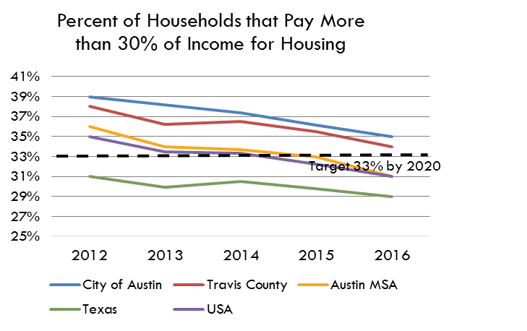
Percent of Households that Pay More than 30% of Income for Housing
 | City of Austin | Travis County | Austin MSA | Texas | USA
2017 | 36% | 33% | 31% | 29% | 31%
2018 | 36% | 34% | 33% | 30% | 31%
2019 | 35% | 33% | 31% | 30% | 30%
2020*
2021 | 36% | 35% | 33% | 31% | 31%
Percent of Households that Pay More than 30% of Income for Housing
 | City of Austin | Travis County | Austin MSA | Texas | USA
2017 | 36% | 33% | 31% | 29% | 31%
2018 | 36% | 34% | 33% | 30% | 31%
2019 | 35% | 33% | 31% | 30% | 30%
2020*
2021 | 36% | 35% | 33% | 31% | 31%
Target 33% by 2025
% of Households that are Cost-Burdened
 | 2007 | 2008 | 2009 | 2010 | 2011 | 2012 | 2013 | 2014 | 2015 | 2016 | 2017 | 2018 | 2019 | 2020* | 2021
City of Austin | 39% | 38% | 39% | 42% | 40% | 39% | 38% | 37% | 36% | 35% | 36% | 36% | 35% |  | 36%
Travis County | 37% | 36% | 38% | 41% | 39% | 38% | 36% | 36% | 36% | 34% | 33% | 34% | 33% |  | 35%
Austin MSA | 35% | 35% | 36% | 38% | 37% | 36% | 34% | 34% | 33% | 31% | 31% | 33% | 31% |  | 33%
Texas | 32% | 32% | 32% | 33% | 33% | 31% | 30% | 31% | 30% | 29% | 29% | 30% | 30% |  | 31%
USA | 35% | 36% | 36% | 37% | 37% | 35% | 33% | 33% | 32% | 31% | 31% | 31% | 30% |  | 31%

% of households where monthly rent (plus utility and/or housing fuel costs) or mortgage payments (or other housing debt costs) equal 30% of more of a household's monthly income
# of Households that are Cost-Burdened
 | 2007 | 2008 | 2009 | 2010 | 2011 | 2012 | 2013 | 2014 | 2015 | 2016 | 2017 | 2018 | 2019 | 2020* | 2021
City of Austin | 117,555 | 119,051 | 123,098 | 136,970 | 132,579 | 129,769 | 133,230 | 134,813 | 131,816 | 128,960 | 133,824 | 142,315 | 143,020 |  | 163,778
Travis County | 142,658 | 143,542 | 149,594 | 165,820 | 158,980 | 156,944 | 155,341 | 159,548 | 158,563 | 153,544 | 151,994 | 167,617 | 166,989 |  | 198,948 | 46,954
Austin MSA | 203,644 | 212,453 | 220,054 | 245,458 | 246,302 | 238,678 | 233,886 | 237,268 | 238,640 | 232,902 | 233,703 | 258,197 | 256,627 |  | 315,417 | 30.89%
Texas | 2,441,084 | 2,666,460 | 2,750,620 | 2,885,741 | 2,891,613 | 2,781,592 | 2,726,672 | 2,831,562 | 2,803,734 | 2,811,799 | 2,825,693 | 2,952,985 | 2,948,470 |  | 3,392,760
USA | 35,494,524 | 40,417,889 | 41,211,959 | 42,230,264 | 42,067,297 | 40,279,587 | 38,908,384 | 39,042,346 | 38,099,091 | 37,241,233 | 36,895,867 | 37,580,787 | 36,493,510 |  | 39,348,485

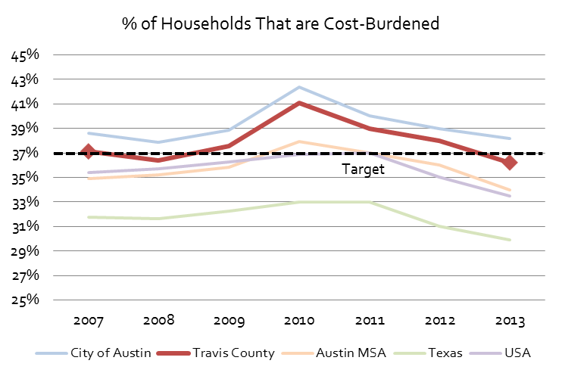
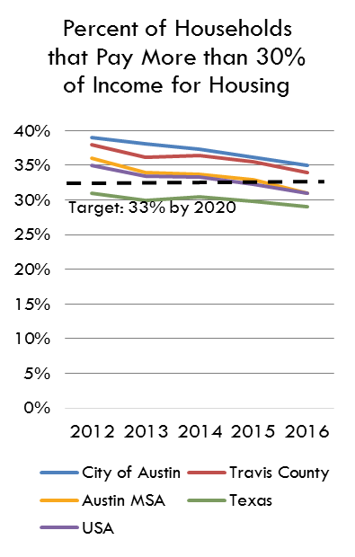
Data Source
American Community Survey, 1 Year Estimates - Detailed Tables
B25070 - Gross Rent as a Percentage of Household Income
B25091 - Mortgage Status by Selected Monthly Owner Costs as a Percentage of Household Income

 | Extended 5-Year Trend | 2015 | 2016 | 2017 | 2018 | 2019 | 2020 | 2021 | 2022 | 2023 | 2024 | 2025 | 2026 | 2027
 |  | 35.5% | 34.0% | 32.9% | 34.5% | 32.9% |  | 35.0%

Housing Cost Burden in Travis County, Extended 5-Year Trend, 2016-2021
2016 | 34.0%
2017 | 32.9%
2018 | 34.5%
2019 | 32.9%
2020
2021 | 35.0%
2022
2023
2024
2025
2026
*The US Census Bureau did not release 2020 ACS 1-Year data. To estimate the 2020 housing cost burdened rate, the median between the 2019 and 2021 rates was used.
For more information please read the announcement, available at https://www.census.gov/newsroom/press-releases/2021/changes-2020-acs-1-year.html

