By Race
 | High School Graduation and Postsecondary Completion
 |  | Class of 2003 (by 2009) | Class of 2004 (by 2010) | Class of 2005 (by 2011) | Class of 2006 (by 2012) | Class of 2007 (by 2013) | Class of 2008 (by 2014) | Class of 2009 (by 2015) | Class of 2010 (by 2016) | Class of 2011 (by 2017) | Class of 2012 (by 2018) | Class of 2013 (by 2019) | Class of 2014 (by 2020) | Class of 2015 (by 2021) |  | HS Graduation | Postsecondary Completion
 | Asian | 69% | 63% | 61% | 70% | 64% | 69% | 68% | 65% | 71% | 72% | 79% | 74% | 78% | Asian | 96.3% | 74%
 | Black | 31% | 30% | 27% | 28% | 32% | 33% | 28% | 29% | 29% | 31% | 34% | 37% | 37% | Black | 86.8% | 37%
 | Hispanic | 35% | 36% | 35% | 33% | 37% | 35% | 33% | 34% | 36% | 39% | 41% | 43% | 44% | Hispanic | 87.6% | 43%
 | Overall | 49% | 48% | 47% | 48% | 48% | 50% | 46% | 47% | 49% | 51% | 53% | 55% | 56% | White | 94.4% | 63%
 | White | 57% | 57% | 57% | 58% | 57% | 57% | 53% | 55% | 59% | 60% | 61% | 63% | 64%
Central Texas HS Grads Who Enrolled in a Texas Institution Within One Year of Graduating, and Earn a Credential Within 6 Years
Central Texas HS Grads Who Enrolled in a Texas Institution Within One Year of Graduating, and Earned a Degree Within 6 Years
Source: | E3 Alliance
 | https://data.e3alliance.org/postsecondary-completion-profile/p20/CTX/x/p20/TX/

Central TX HS Graduates Who Directly Enroll in a Texas Institution & Graduate Within 6 Years

High School Graduation and Postsecondary Completion, Central Texas, 2020
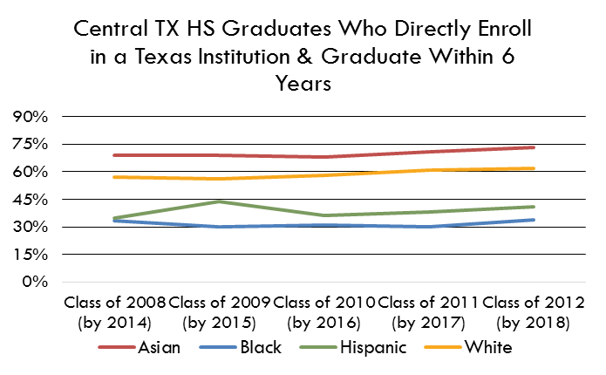

 |  | HS Graduation | Postsecondary Completion
 | Asian | 96.3% | 74%
 | Black | 86.8% | 37%
 | Hispanic | 87.6% | 43%
 | White | 94.4% | 63%

