Overview
data for "Percent of Individuals in Travis County with Incomes Below the Poverty Level by Race and Ethnicity"
Percent in Poverty by Race & Ethnicity, Travis County 2016-2020
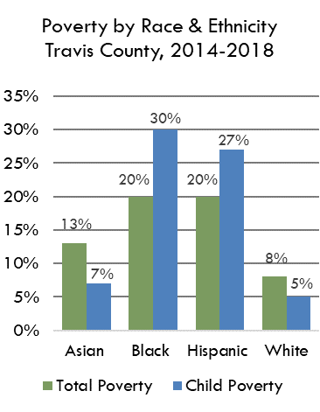
 | Asian | Black | Hispanic | White
Total | 13% | 18% | 16% | 7%
Child
Source(s): Table S1701 Poverty Status in the Past 12 Months, 2016-2020 American Community Survey 5-Year Estimates
https://data.census.gov/cedsci/table?q=s1701&g=0500000US48453&tid=ACSST5Y2019.S1701&hidePreview=true

 | Asian | Black | Hispanic | White
Total Poverty | 13% | 18% | 16% | 7%
Child Poverty | 6% | 26% | 22% | 5%

Poverty by Race & Ethnicity, Travis County, 2016-2020
Poverty by Race & Ethnicity Travis County, 2016-2020

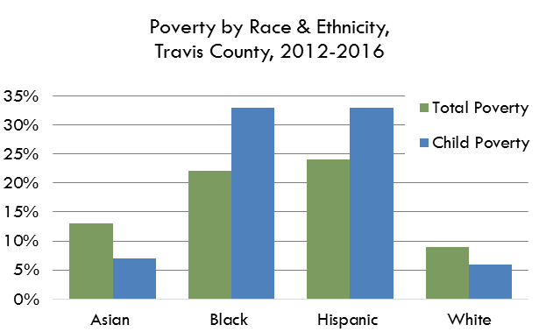

Poverty by Race & Ethnicity, Travis County, 2016-2020

Poverty by Race & Ethnicity Travis County, 2016-2020

