Childhood Food Insecurity
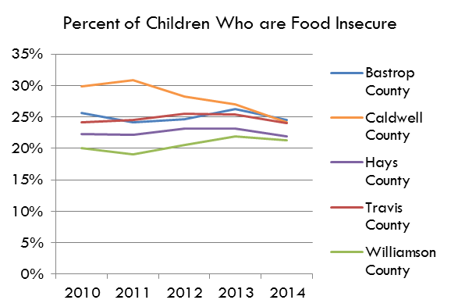
Percent of Children Who are Food Insecure
Child Food Insecurity Rate
 | 2015 | 2016 | 2017 | 2018 | 2019 | 2020
Bastrop County | 21.8% | 20.9% | 20.3% | 17.6% | 16.8% | 17.8%
Caldwell County | 22.7% | 22.0% | 21.4% | 20.8% | 20.5% | 19.8%
Hays County | 20.6% | 19.4% | 19.1% | 16.6% | 14.8% | 14.8%
Travis County | 22.2% | 20.7% | 20.2% | 17.2% | 15.2% | 15.5%
Williamson County | 19.7% | 18.2% | 18.3% | 16.0% | 13.7% | 12.6%
Texas | 23.8% | 23.0% | 22.5% | 21.6% | 19.6% | 18.9%
USA | 17.9% | 17.5% | 17.0% | 15.2% | 14.6% | 16.1%

Source: Feeding America; Map the Meal Gap, Food Insecurity among Overall (all ages) Population in Travis County
https://map.feedingamerica.org/county/2020/overall/texas/county/travis

# of Food Insecure Children
 | 2015 | 2016 | 2017 | 2018 | 2019 | 2020
Bastrop County | 4,310 | 4,210 | 4,180 | 3,710 | 3,630 | 3,940
Percent of Children Who are Food Insecure
Caldwell County | 2,190 | 2,130 | 2,090 | 2,100 | 2,080 | 2,030
Hays County | 8,690 | 8,520 | 8,740 | 7,880 | 7,320 | 7,580
Travis County | 57,780 | 54,640 | 53,870 | 46,190 | 41,130 | 42,030
Williamson County | 25,680 | 24,170 | 24,810 | 22,180 | 19,550 | 18,410
Texas | 1,713,430 | 1,676,740 | 1,658,680 | 1,598,940 | 1,448,490 | 1,395,890
USA | 13,118,000 | 12,938,000 | 12,540,000 | 11,174,000 | 10,732,000 | 11,722,000
Percent of Children Who are Food Insecure

