Sheet1
 | % of Homeless | % of Total Pop
Black | 32% | 8%
Hispanic | 32% | 34%
White | 27% | 49%
Asian | 2% | 7%
Other | 1% | 3%

Source: | ECHO 2022 Continuum of Care Needs and Gaps Report | Source: Table B01001: SEX BY AGE, U.S. Census Bureau, 2019 American Community Survey, 1-Year Estimates

 | https://1zdndu3n3nla353ymc1h6x58-wpengine.netdna-ssl.com/wp-content/uploads/2022/07/TX-503_Needs-and-Gaps_2022.pdf

Homelessness and Total Population by Race and Ethnicity, Travis County, 2021
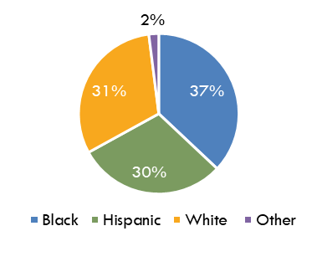

Homelessness by Race & Ethnicity, Travis County, 2021

