Estimates
% of Owners and Renters that are Cost-Burdened

Percent of Owners and Renters that are Housing Cost-Burdened, 2021
2021 - Cost Burdened
 | City of Austin | Travis County | Austin MSA | Texas | USA
Owners | 24% | 25% | 23% | 22% | 22%
Renters | 46% | 46% | 46% | 48% | 47%

Percent of households where monthly rent (plus utility and/or housing fuel costs) or mortgage payments (or other housing debt costs) equal 30% of more of a household's monthly income

Data Source
 | American Community Survey, 1 Year Estimates - Detailed Tables
 |  | B25070 - Gross Rent as a Percentage of Household Income
 |  | B25091 - Mortgage Status by Selected Monthly Owner Costs as a Percentage of Household Income

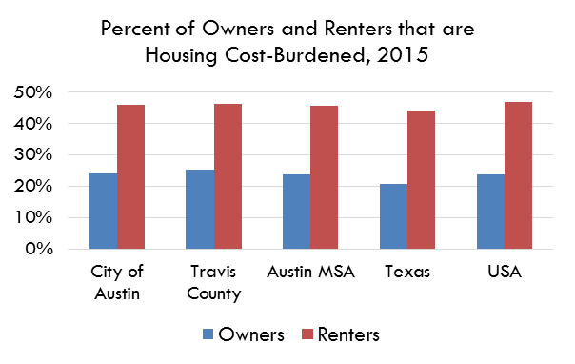
2021 | City of Austin | Travis County | Austin MSA | Texas | USA
% of Owners that are Cost-Burdened | 24% | 25% | 23% | 22% | 22%
Margin of Error | 2.0% | 1.8% | 1.34% | 0.37% | 0%
Lower Estimate | 22% | 23% | 22% | 21% | 22%
Upper Estimate | 26% | 27% | 25% | 22% | 22%

2021 | City of Austin | Travis County | Austin MSA | Texas | USA
% of Renters that are Cost-Burdened | 46% | 46% | 46% | 48% | 47%
Margin of Error | 2.84% | 3.05% | 2.52% | 0.70% | 0.17%
Lower Estimate | 43% | 43% | 44% | 47% | 47%
Upper Estimate | 49% | 49% | 49% | 48% | 48%

