Estimates
Travis County Renter Households, 2016-2020
Data is ACS 5-Year, thus should not be compared year to year
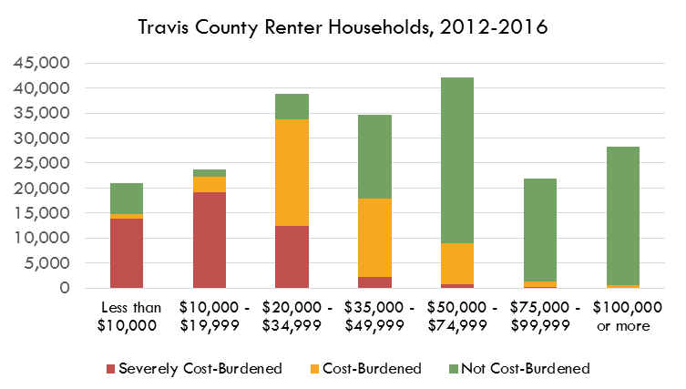
RENTERS | Severely Cost-Burdened | Cost-Burdened | Not Cost-Burdened
Less than $10,000 | 13,073 | 738 | 5,406
$10,000 - $19,999 | 14,552 | 1,507 | 2,039
$20,000 - $34,999 | 15,959 | 13,443 | 2,688
$35,000 - $49,999 | 4,176 | 19,270 | 9,519
$50,000 - $74,999 | 1,022 | 14,758 | 30,698
$75,000 - $99,999 | 152 | 3,260 | 27,312
$100,000 or more | 6 | 788 | 50,710

Source: U.S. Census Bureau, American Community Survey, 5-Year Estimates
 | Table B25074: | Household Income by Gross Rent as a Percentage of Household Income in the Past 12 Months

 |  |  |  |  |  |  |  |  |  |  |  |  | Total Renters | Total Cost-Burdened
 |  |  |  |  |  |  |  |  |  |  |  | Less than $10,000: | 24,457 | 22,621
 |  |  |  |  |  |  |  |  |  |  |  | $10,000 to $19,999: | 26,868 | 31,961
 |  |  |  |  |  |  |  |  |  |  |  | $20,000 to $34,999: | 41,010 | 45,866
 |  |  |  |  |  |  |  |  |  |  |  | $35,000 to $49,999: | 34,582 | 26,214
 |  |  |  |  |  |  |  |  |  |  |  | $50,000 to $74,999: | 34,566 | 18,366
 |  |  |  |  |  |  |  |  |  |  |  | $75,000 to $99,999: | 17,954 | 5,555
 |  |  |  |  |  |  |  |  |  |  |  | $100,000 or more: | 19,248 | 6,187

% of Households Who are Renters and % Who are Housing Cost-Burdened, by Income Group, Travis County, 2013
 | Estimates!#REF! | Estimates!#REF!
 | 1 | 1

 |  |  |  |  |  |  | Correlation Between % Cost-Burdened and % Renters
 |  |  |  |  |  |  | #REF!

# Renters and # Cost-Burdened by Income

Number of Households Who are Renters and Total Number of Housing Cost-Burdened Households, by Income Group, Travis County, 2013
 | Estimates!#REF! | Estimates!#REF!
 | 1 | 1
Cost-Burdened Renters and Owners by Income Group, Travis County, 2009-2013
 | Estimates!#REF! | Estimates!#REF!
 | 1 | 1
Renters and Owners by Income Group, Travis County, 2009-2013
 | Estimates!#REF! | Estimates!#REF!
 | 1 | 1

 | Total Owners | Total Renters | HCB Renters | HCB Owners | Non-HCB Renters | Non-HCB Owners |  | Total Households | % Cost-Burdened | Total Cost-Burdened
Less than $10,000: | 5,184 | 24,457 | 18,863 | 3,758 | 5,594 | 1,426 |  | 29,641 | 76% | 22,621
$10,000 to $19,999: | 8,382 | 26,868 | 25,295 | 6,666 | 1,573 | 1,716 |  | 35,250 | 91% | 31,961
$20,000 to $34,999: | 17,875 | 41,010 | 34,104 | 11,762 | 6,906 | 6,113 |  | 58,885 | 78% | 45,866
$35,000 to $49,999: | 22,145 | 34,582 | 13,973 | 12,241 | 20,609 | 9,904 |  | 56,727 | 46% | 26,214
$50,000 to $74,999: | 37,156 | 34,566 | 5,364 | 13,002 | 29,202 | 24,154 |  | 71,722 | 26% | 18,366
$75,000 to $99,999: | 31,146 | 17,954 | 623 | 4,932 | 17,331 | 26,214 |  | 49,100 | 11% | 5,555
$100,000 or more: | 91,303 | 19,248 | 309 | 5,878 | 18,939 | 85,425 |  | 110,551 | 6% | 6,187

 | Cost-Burdened Renters | Non-Cost-Burdened Renters | Cost-Burdened Owners | Non-Cost-Burdened Owners |  |  |  | Cost-Burdened Renters | Non-Cost-Burdened Renters | Cost-Burdened Owners | Non-Cost-Burdened Owners
Less than $10,000: | 18,863 | 5,594 | 3,758 | 1,426 |  |  | Less than $10,000: | 64% | 19% | 13% | 5%
$10,000 to $19,999: | 25,295 | 1,573 | 6,666 | 1,716 |  |  | $10,000 to $19,999: | 72% | 4% | 19% | 5%
$20,000 to $34,999: | 34,104 | 6,906 | 11,762 | 6,113 |  |  | $20,000 to $34,999: | 58% | 12% | 20% | 10%
$35,000 to $49,999: | 13,973 | 20,609 | 12,241 | 9,904 |  |  | $35,000 to $49,999: | 25% | 36% | 22% | 17%
$50,000 to $74,999: | 5,364 | 29,202 | 13,002 | 24,154 |  |  | $50,000 to $74,999: | 7% | 41% | 18% | 34%
$75,000 to $99,999: | 623 | 17,331 | 4,932 | 26,214 |  |  | $75,000 to $99,999: | 1% | 35% | 10% | 53%
$100,000 or more: | 309 | 18,939 | 5,878 | 85,425 |  |  | $100,000 or more: | 0% | 17% | 5% | 77%

 |  |  |  |  |  |  |  |  | 0.064379045595
 |  |  |  |  |  |  |  |  | 0.02
Total Cost-Burdened (All Households) | #REF!

Housing Cost-Burdened Breakdown by Income Group, Travis County, 2009-2013
Housing Cost-Burdened Breakdown by Income Group, Travis County, 2009-2013

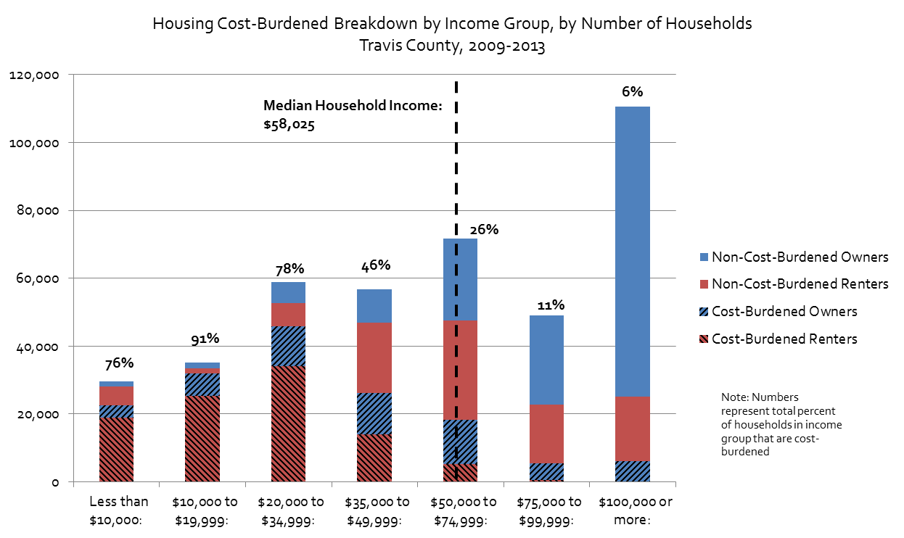
 | Median Household Income (2009-2013) |  | $58,025
 | ACS 5-Year Estimates, Table B19013

Housing Cost-Burdened Breakdown by Income Group, by Number of Households Travis County, 2009-2013

 | Number of Households Below Median Household Income That are Housing Cost-Burdened*
 | 126,662
 | 70%
 | Percent of Housing Cost-Burdened Households Who Make Below Median Household Income
 | 81%
 | *Excluding Households with Incomes Between $50,000 and $58,025

MOE
Number
 | Total Owners | Total Renters | HCB Renters | HCB Owners | Total Households | Total Cost-Burdened | % Cost-Burdened | CV | Lower Estimate | Upper Estimate
Less than $10,000: | 6,340 | 19,217 | 13,811 | 4,342 | 25,557 | 18,153 | 71% | 2% | 69% | 73%
$10,000 to $19,999: | 6,598 | 18,098 | 16,059 | 5,563 | 24,696 | 21,622 | 88% | 1% | 86% | 89%
$20,000 to $34,999: | 15,153 | 32,090 | 29,402 | 10,598 | 47,243 | 40,000 | 85% | 1% | 84% | 86%
$35,000 to $49,999: | 18,151 | 32,965 | 23,446 | 9,978 | 51,116 | 33,424 | 65% | 2% | 63% | 67%
$50,000 to $74,999: | 33,371 | 46,478 | 15,780 | 12,451 | 79,849 | 28,231 | 35% | 2% | 34% | 36%
$75,000 to $99,999: | 33,419 | 30,724 | 3,412 | 7,045 | 64,143 | 10,457 | 16% | 7% | 14% | 18%
$100,000 to $149,999: | 59,385 | 51,504 | 794 | 6,944 | 110,889 | 7,738 | 7% | 3% | 7% | 7%
$150,000 or more | 88,038 | 69,405 | 0 | 3,102 | 157,443 | 3,102 | 2% | #NUM! | #NUM! | #NUM!

Margin of Error
 | Total Owners | Total Renters | HCB Renters | HCB Owners | Total Households | Total Cost-Burdened | % Cost-Burdened
Less than $10,000: | 694 | 1,266 | 1,166 | 694 | 1,444 | 1,166 | 2%
$10,000 to $19,999: | 667 | 1,167 | 1,266 | 1,036 | 1,344 | 1,266 | 2%
$20,000 to $34,999: | 1,153 | 1,587 | 1,718 | 1,874 | 1,962 | 1,718 | 1%
$35,000 to $49,999: | 1,305 | 1,645 | 1,721 | 1,818 | 2,100 | 1,721 | 2%
$50,000 to $74,999: | 1,573 | 2,252 | 1,309 | 2,100 | 2,747 | 1,309 | 1%
$75,000 to $99,999: | 1,651 | 1,620 | 1,229 | 1,808 | 2,313 | 1,229 | 2%
$100,000 to $149,999: | 2,431 | 1,905 | 428 | 1,782 | 3,088 | 428 | 0%
$150,000 or more | 2,113 | 0 | - | 807 | 2,113 | - | #NUM!

Source: U.S. Census Bureau, 2015-2019 American Community Survey 5-Year Estimates
 | Table B25074: | Household Income by Gross Rent as a Percentage of Household Income in the Past 12 Months
 | Table B25095: Household Income by Selected Monthly Owner Costs As a Percentage of Household Income in the Past 12 Months (1-year estimates)

 | Total Owners | Total Renters | HCB Renters | HCB Owners | Total Households | Total Cost-Burdened | % Cost-Burdened | CV | Lower Estimate | Upper Estimate
Less than $50,000: | 46,242 | 102,370 | 82,718 | 30,481 | 148,612 | 113,199 | 76% | 2% | 74% | 78%
$50,000 to $99,999: | 66,790 | 77,202 | 19,192 | 19,496 | 143,992 | 38,688 | 27% | 5% | 25% | 29%
$100,000 or more: | 147,423 | 51,504 | 794 | 10,046 | 198,927 | 10,840 | 5% | 15% | 4% | 7%

MOE
 | Total Owners | Total Renters | HCB Renters | HCB Owners | Total Households | Total Cost-Burdened | % Cost-Burdened
Less than $50,000: | 1,990 | 2,862 | 2,979 | 2,893 | 3,485 | 4,153 | 2%
$50,000 to $99,999: | 2,280 | 2,774 | 1,796 | 2,771 | 3,591 | 3,302 | 2%
$100,000 or more: | 4,544 | 1,905 | 428 | 2,589 | 4,927 | 2,624 | 1%

Percent of Households Spending 30% or More of Income on Housing Costs, by Income Group, Travis County, 2016-2020
Percent of Households Spending 30% or More of Income on Housing Costs, by Income Group, Travis County, 2016-2020

