Overview
Percent Employed by Sex, Race and Ethnicity, Ages 16-24, Travis County, 2021
Percent Employed by Sex, Race, and Ethnicity, Ages 25-64, Travis County 2021
Percent Employed by Sex, Race and Ethnicity, Ages 18-64, Travis County, 2021
16-24 |  | Asian | Black | Hispanic | White
 | Total | 49% | 36% | 59% | 48%
 | Male | 40% | 12% | 61% | 44%
 | Female | 57% | 61% | 58% | 53%

25-64 |  | Asian | Black | Hispanic | White
 | Total | 84% | 79% | 77% | 83%
 | Male | 93% | 79% | 83% | 86%
 | Female | 75% | 79% | 69% | 80%

18-64 |  | Asian | Black | Hispanic | White
 | Total | 79% | 71% | 73% | 79%
 | Male | 85% | 67% | 79% | 81%
 | Female | 72% | 76% | 67% | 76%

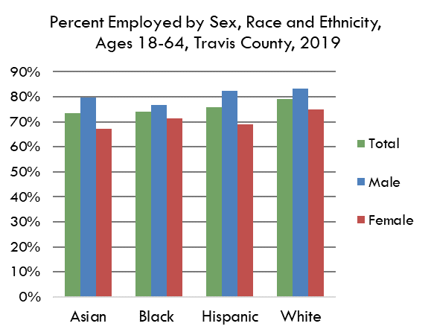
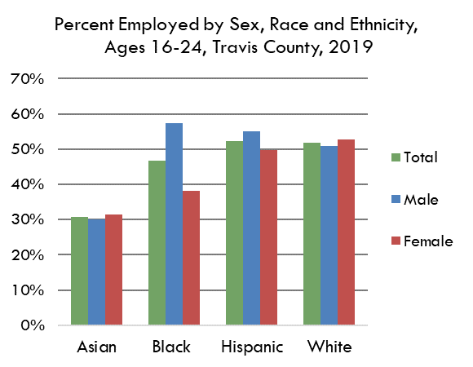
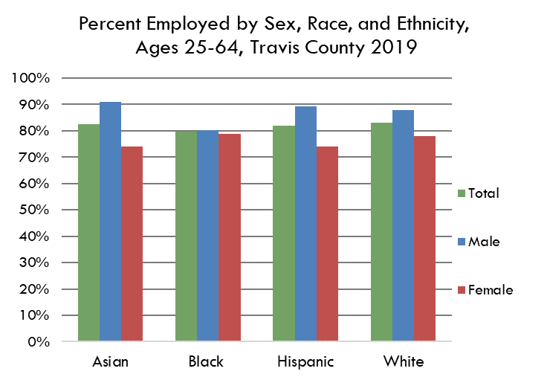

 | Source(s): Table B23002: SEX BY AGE BY EMPLOYMENT STATUS FOR THE POPULATION 16 YEARS AND OVER, American Community Survey 1-Year Estimates

 | https://data.census.gov/cedsci/table?q=b23002&g=0500000US48453

