Smoking
Percent of Adults Who Are Current Smokers
Year | USA | USA - Lower Estimate | USA - Upper Estimate | MOE_Lower | MOE_Upper
2011 | 21.2%
2012 | 19.6%
2013 | 18.2% | 18% | 19% | 0% | 0%
2014 | 18.1%
2015 | 17.5%
2016 | 17.1%
2017 | 17.1%
2018 | 16.1%
2019 | 16.0%
2020 | 15.5%
2021 | 14.4%
2022

Year | Texas | Texas - Lower Estimate | Texas - Upper Estimate
2007 | 19.3% | 18% | 20% | 1% | 1%
2008 | 18.5% | 17% | 20% | 1% | 1%
2009 | 17.9% | 17% | 19% | 1% | 2%
2010 | 15.8% | 15% | 17% | 1% | 1%
2011 | 19.2% | 18% | 20% | 1% | 1%
Percent of Adults Who Are Current Smokers, Travis County
2012 | 18.2% | 17% | 19% | 1% | 1%
2013 | 15.9% | 15% | 17% | 1% | 1%
2014 | 14.5% | 14% | 16% | 1% | 1%
2015 | 15.2% | 14% | 16% | 1% | 1%
2016 | 14.3% | 13% | 16% | 1% | 1%
2017 | 15.7% | 14% | 17% | 1% | 1%
2018 | 14.4% | 13% | 16% | 1% | 2%
2019 | 14.7% | 13% | 16% | 1% | 1%
2020 | 13.2% | 12% | 15% | 1% | 1%
2021 | 13.1% | 12% | 14% | 1% | 1%
2022 |  |  |  | 0% | 0%

Year | Austin MSA | MSA - Lower Estimate | MSA - Upper Estimate
2007 | 17.2% | 15% | 20% | 3% | 3%
2008 | 19.6% | 15% | 25% | 4% | 5%
2009 | 13.4% | 10% | 17% | 3% | 4%
2010 | 9.7% | 6% | 16% | 4% | 6%
2011 | 16.0% | 12% | 20% | 4% | 4%
2012 | 14.0% | 11% | 18% | 3% | 4%
Extended Trend
2013 | 15.0% | 12% | 19% | 3% | 4%
2014 | 11.1% | 9% | 13% | 2% | 2%
2015 | 14.0% | 11% | 17% | 3% | 3%
2016 | 14.4% | 12% | 18% | 3% | 3%
2017 | 12.5% | 10% | 16% | 3% | 3%
2018 | 10.8% | 9% | 13% | 2% | 3%
2019 | 11.1% | 9% | 14% | 2% | 2%
2020 | 11.0% | 9% | 13% | 2% | 2%
2021 | 7.5% | 6% | 9% | 1% | 2%
2022 |  |  |  | 0% | 0%

Year | Travis County | Travis County - Lower Estimate | Travis County - Upper Estimate

2008
2009
2010
2011 | 16% | 12% | 21% | 4% | 5%
Smoking Rate, 2011-2020
2012 | 15% | 11% | 19% | 4% | 5%
2013 | 12% | 8% | 16% | 3% | 4%
2014 | 11% | 8% | 14% | 2% | 3%
2015 | 14% | 11% | 18% | 3% | 4%
2016 | 14% | 11% | 18% | 3% | 4%
2017 | 11% | 8% | 15% | 3% | 4%
2018 | 12% | 9% | 16% | 3% | 4%
2019 | 12% | 9% | 16% | 3% | 4%
2020 | 12% | 9% | 15% | 3% | 3%
2021 | 7% | 5% | 9% | 2% | 2% | -43%
2022
2023
2024
2025
2026
 | USA | Texas | Austin MSA | Travis County
2011 | 21% | 19% | 16% | 16%
2012 | 20% | 18% | 14% | 15%
2013 | 18% | 16% | 15% | 12%
2014 | 18% | 15% | 11% | 11%
2015 | 18% | 15% | 14% | 14%
2016 | 17% | 14% | 14% | 14%
2017 | 17% | 16% | 13% | 11%
2018 | 16% | 14% | 11% | 12%
2019 | 16% | 15% | 11% | 12%
2020 | 16% | 13% | 11% | 12%
2021 | 14% | 13% | 8% | 7%
2022

Percent of Adults Who are Current Smokers
Percent of Adults Who are Current Smokers
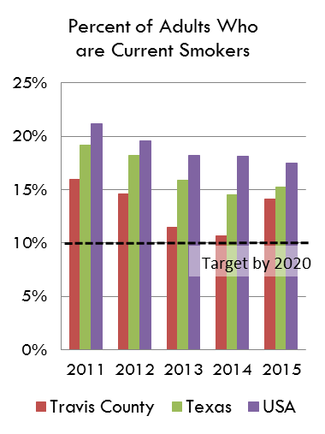
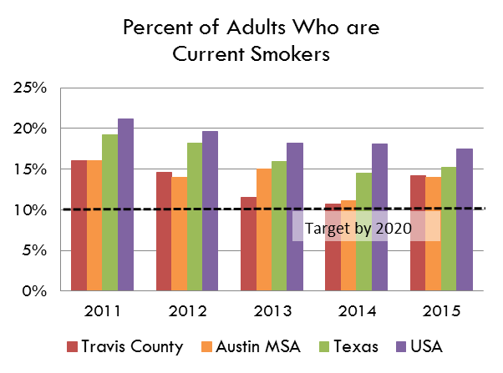

Source: Behavioral Risk Factor Surveillance System, Texas Department of State Health Services
https://healthdata.dshs.texas.gov/dashboard/surveys-and-profiles/behavioral-risk-factor-surveillance-system

