Sheet1
Crime Rates per 100,000 for Counties in the Austin-Round Rock-San Marcos MSA
Property and Violent Crime Rates Per 100,000 People, Travis County
Violent and Property Crime Rates Per 100,000 People, Travis County
Travis County |  |  |  |  |  |  |  |  | 0
 |  | 2007 | 2008 | 2009 | 2010 | 2011 | 2012 | 2013 | 2014 | 2015 | 2016 | 2017 | 2018 | 2019 | 2020 | 2021 | % Decline 2013-2017 | 1% decline target:
 | Population | 948241 | 1008075 | 1035099 | 1069189 | 1079093 | 1113744 | 1,155,784 | 1205571 | 1241359 | 1261654 | 1286603 | 1295034 | 1313366 | 1343839 | 1364478
 | Total # of Offenses | 55889 | 55909 | 60238 | 57277 | 52718 | 53531 | 51,475 | 48082 | 45640 | 44488 | 42074 | 43959 | 47629 | 47865 | 45782
 | Overall Crime Rate | 5894 | 5546 | 5820 | 5357 | 4885 | 4806 | 4,454 | 3988 | 3677 | 3526 | 3270 | 3394 | 3626 | 3562 | 3355 | -1%
 | Total # of Violent Offenses | 4251 | 4355 | 4726 | 4471 | 3990 | 4023 | 3,760 | 4309 | 4314 | 4888 | 4960 | 4811 | 5012 | 5638 | 6001
 | Violent Crime Rate | 448 | 432 | 457 | 418 | 370 | 361 | 325 | 357 | 348 | 387 | 386 | 371 | 382 | 420 | 440 | 8% | 378
 | Total # of Property Offenses | 51638 | 51550 | 55512 | 52814 | 48728 | 49508 | 47,715 | 43773 | 41326 | 39600 | 37114 | 39148 | 42617 | 42227 | 39781
 | Property Crime Rate | 5446 | 5114 | 5363 | 4940 | 4516 | 4445 | 4,128 | 3,631 | 3,329 | 3,139 | 2,885 | 3,023 | 3,245 | 3,142 | 2,915 | 0.1% | 3111

Violent and Property Crime Rates Per 100,000 People, Travis County
El Paso County
 |  | 2007 | 2008 | 2009 | 2010 | 2011 | 2012 | 2013 | 2014 | 2015 | 2016 | 2017 | 2018 | 2019 | 2020 | 2021
 | Population | 744171 | 741662 | 749958 | 756304 | 817494 | 811055 | 838,966 | 839969 | 841774 | 838465 | 842905 | 843458 | 840222 | 840442 | 836739
 | Total # of Offenses | 25874 | 26306 | 25135 | 24099 | 22653 | 22518 | 21,096 | 20101 | 18315 | 17420 | 17275 | 14857 | 14693 | 12272 | 11906
Violent and Property Crime Rates Per 100,000 People, Travis County
 | Overall Crime Rate | 3477 | 3547 | 3352 | 3186 | 2771 | 2776 | 2,515 | 2393 | 2176 | 2078 | 2050 | 1761 | 1749 | 1460 | 1423
 | Total # of Violent Offenses |  |  |  |  |  | 3240 | 2,857 | 3056 | 2965 | 3055 | 3016 | 2917 | 2802 | 2607 | 2098
 | Violent Crime Rate |  |  |  |  |  | 399 | 341 | 364 | 352 | 364 | 358 | 346 | 333 | 310 | 251
 | Total # of Property Offenses |  |  |  |  |  | 19278 | 18,239 | 17045 | 15350 | 14365 | 14259 | 11940 | 11891 | 9665 | 9808
 | Property Crime Rate |  |  |  |  |  | 2377 | 2,174 | 2029 | 1824 | 1713 | 1692 | 1416 | 1415 | 1150 | 1172

Tarrant County
 |  | 2007 | 2008 | 2009 | 2010 | 2011 | 2012 | 2013 | 2014 | 2015 | 2016 | 2017 | 2018 | 2019 | 2020 | 2021
 | Population | 1671420 | 1695273 | 1754955 | 1788437 | 1796636 | 1826293 | 1,857,426 | 1897632 | 1929893 | 1957085 | 2005933 | 2027460 | 2050205 | 2071940 | 2076694
 | Total # of Offenses | 88586 | 86184 | 86577 | 84000 | 80522 | 72602 | 75,525 | 70052 | 66984 | 63658 | 64219 | 59637 | 57987 | 58574 | 58320
 | Overall Crime Rate | 5300 | 5084 | 4933 | 4697 | 4482 | 3975 | 4,066 | 3692 | 3471 | 3253 | 3201 | 2941 | 2828 | 2827 | 2808
 | Total # of Violent Offenses |  |  |  |  |  | 7845 | 7,624 | 7647 | 7564 | 7974 | 8284 | 7583 | 7455 | 8713 | 9150
Violent and Property Crime Rates Per 100,000 People, Travis County
 | Violent Crime Rate |  |  |  |  |  | 430 | 410 | 403 | 392 | 407 | 413 | 374 | 364 | 421 | 441
 | Total # of Property Offenses |  |  |  |  |  | 64757 | 67,901 | 62405 | 59420 | 55684 | 55935 | 52054 | 50532 | 49861 | 49170
 | Property Crime Rate |  |  |  |  |  | 3546 | 3,656 | 3289 | 3079 | 2845 | 2788 | 2567 | 2465 | 2406 | 2368

Bexar County
 |  | 2007 | 2008 | 2009 | 2010 | 2011 | 2012 | 2013 | 2014 | 2015 | 2016 | 2017 | 2018 | 2019 | 2020
 | Population | 1578168 | 1620713 | 1651624 | 1673497 | 1752916 | 1784585 | 1,816,827 | 1857948 | 1897498 | 1932033 | 1966517 | 1992664 | 2010637 | 2034193 | 2043748
 | Total # of Offenses | 104892 | 121749 | 113422 | 110639 | 101373 | 103220 | 101,005 | 97059 | 94344 | 101917 | 96753 | 81689 | 89207 | 76542 | 82308
 | Overall Crime Rate | 6646 | 7512 | 6867 | 6611 | 5783 | 5784 | 5,559 | 5224 | 4972 | 5275 | 4920 | 4099 | 4437 | 3763 | 4027
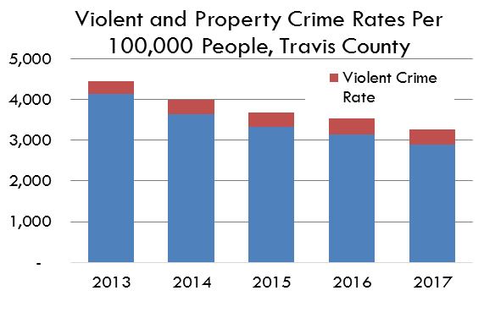
 | Total # of Violent Offenses |  |  |  |  |  | 7838 | 9,661 | 8433 | 9494 | 11745 | 11915 | 10780 | 12190 | 12444 | 12239
 | Violent Crime Rate |  |  |  |  |  | 439 | 532 | 454 | 500 | 608 | 606 | 541 | 606 | 612 | 599
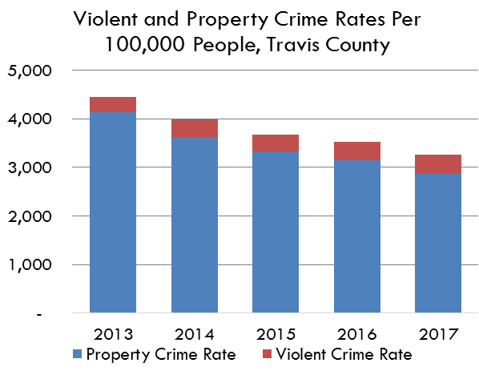
 | Total # of Property Offenses |  |  |  |  |  | 95382 | 91,344 | 88626 | 84850 | 192089 | 84838 | 70909 | 77017 | 64098 | 70069
 | Property Crime Rate |  |  |  |  |  | 5345 | 5,028 | 4770 | 4472 | 9942 | 4314 | 3559 | 3830 | 3151 | 3428

Harris County
 |  | 2007 | 2008 | 2009 | 2010 | 2011 | 2012 | 2013 | 2014 | 2015 | 2016 | 2017 | 2018 | 2019 | 2020 | 2021
 | Population | 3987122 | 4029544 | 4080995 | 4153891 | 4206219 | 4268885 | 4,349,644 | 4455105 | 4566277 | 4646498 | 4702468 | 4753437 | 4776485 | 4799254 | 4788935
 | Total # of Offenses | 223358 | 211718 | 232552 | 224374 | 179015 | 211037 | 212,013 | 202719 | 195529 | 197691 | 191423 | 185606 | 194475 | 196508 | 194815
 | Overall Crime Rate | 5602 | 5254 | 5698 | 5402 | 4256 | 4944 | 4,874 | 4550 | 4282 | 4255 | 4071 | 3905 | 4072 | 4095 | 4068
 | Total # of Violent Offenses |  |  |  |  |  | 30588 | 31,176 | 32307 | 32980 | 34814 | 36511 | 35213 | 34716 | 40288 | 39948
 | Violent Crime Rate |  |  |  |  |  | 717 | 717 | 725 | 722 | 749 | 776 | 741 | 727 | 839 | 834
 | Total # of Property Offenses |  |  |  |  |  | 180449 | 180,837 | 170412 | 162549 | 162877 | 154912 | 150393 | 159759 | 156220 | 154867
 | Property Crime Rate |  |  |  |  |  | 4227 | 4,158 | 3825 | 3560 | 3505 | 3294 | 3164 | 3345 | 3255 | 3234

Dallas County
 |  | 2007 | 2008 | 2009 | 2010 | 2011 | 2012 | 2013 | 2014 | 2015 | 2016 | 2017 | 2018 | 2019 | 2020 | 2021
 | Population | 2587516 | 2640586 | 2673576 | 2671736 | 2666409 | 2707507 | 2,748,644 | 2787018 | 2829734 | 2857909 | 2887503 | 2931219 | 2943177 | 2947321 | 2929932
 | Total # of Offenses | 155446 | 146752 | 141844 | 128040 | 123762 | 114476 | 110,587 | 100333 | 99450 | 101981 | 97890 | 97328 | 97855 | 99058 | 96842
 | Overall Crime Rate | 6008 | 5558 | 5305 | 4792 | 4642 | 4228 | 4,023 | 3600 | 3515 | 3568 | 3390 | 3320 | 3325 | 3361 | 3305
 | Total # of Violent Offenses |  |  |  |  |  | 11850 | 11,776 | 12022 | 12851 | 14329 | 14688 | 14305 | 15756 | 15677 | 15483
 | Violent Crime Rate |  |  |  |  |  | 438 | 428 | 431 | 454 | 501 | 509 | 488 | 535 | 532 | 528
 | Total # of Property Offenses |  |  |  |  |  | 102626 | 98,811 | 88311 | 86599 | 87652 | 83202 | 83023 | 82099 | 83381 | 81359
 | Property Crime Rate |  |  |  |  |  | 3790 | 3,595 | 3169 | 3060 | 3067 | 2881 | 2832 | 2789 | 2829 | 2777

The crime count of incidents (including murder, rape, robbery, aggravated assault, burglary, theft, and auto theft) divided by population to produce a rate per 100,000 persons in the population.

Data Source
 | Texas Department of Public Safety Crime Reports, Crime by Jurisdiction: https://www.dps.texas.gov/section/crime-records/crime-texas
 | United States Crime Data: https://www.fbi.gov/how-we-can-help-you/need-an-fbi-service-or-more-information/ucr/publications

 | 2014 Data Reporting Omissions

 |  | Bexar County: None
 |  | Harris County: Shoreacres PD - Reported 0 Months (Population 1592); Houston Baptist Univ PD - Reported 0 Months (Population 0);
 |  | Dallas County: None
 |  | El Paso County: None
 |  | Tarrant County: None
 |  | Travis County: West Lake Hills PD - Reported 0 Months (Population3305);

