Estimates
% of Owners and Renters that are Cost-Burdened

Percent of Owners and Renters that are Housing Cost-Burdened, 2023
2023 - Cost Burdened
 | Austin | Travis County | Austin MSA | Texas | USA
Owners | 25.8% | 25.207% | 22.6% | 24% | 23%
Renters | 49.5% | 49.952% | 50.5% | 50% | 48%

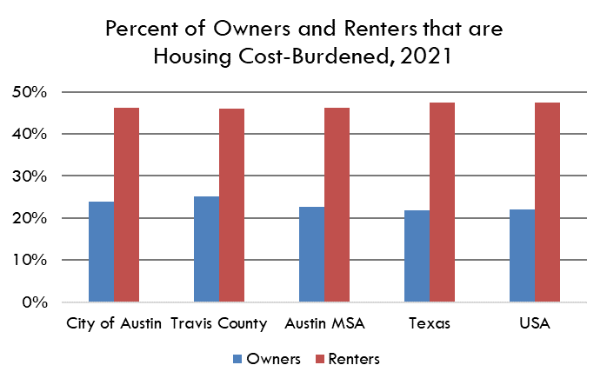
Percent of households where monthly rent (plus utility and/or housing fuel costs) or mortgage payments (or other housing debt costs) equal 30% of more of a household's monthly income

Data Source
 | American Community Survey, 1 Year Estimates - Detailed Tables
 |  | B25070 - Gross Rent as a Percentage of Household Income
 |  | B25091 - Mortgage Status by Selected Monthly Owner Costs as a Percentage of Household Income

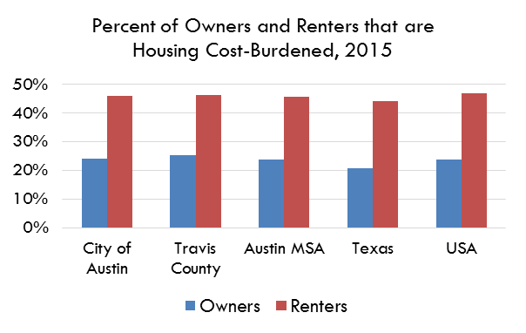

2023 | City of Austin | Travis County | Austin MSA | Texas | USA
% of Owners that are Cost-Burdened | 26% | 25% | 23% | 24% | 23%
Margin of Error | 2.2% | 1.7% | 1.16% | 0.34% | 0%
Lower Estimate | 24% | 24% | 22% | 23% | 23%
Upper Estimate | 28% | 27% | 25% | 24% | 23%

2023 | City of Austin | Travis County | Austin MSA | Texas | USA
% of Renters that are Cost-Burdened | 50% | 50% | 50% | 50% | 48%
Margin of Error | 3.00% | 2.99% | 2.49% | 0.70% | 0.15%
Lower Estimate | 47% | 47% | 48% | 49% | 48%
Upper Estimate | 53% | 53% | 53% | 50% | 48%

% of Owners and Renters that are Cost-Burdened

Percent of Owners and Renters that are Housing Cost-Burdened, 2022
2022 - Cost Burdened
 | City of Austin | Travis County | Austin MSA | Texas | USA
Owners | 22% | 22% | 23% | 23% | 23%
Renters | 45% | 45% | 47% | 50% | 48%

Percent of households where monthly rent (plus utility and/or housing fuel costs) or mortgage payments (or other housing debt costs) equal 30% of more of a household's monthly income

Data Source
 | American Community Survey, 1 Year Estimates - Detailed Tables
 |  | B25070 - Gross Rent as a Percentage of Household Income
 |  | B25091 - Mortgage Status by Selected Monthly Owner Costs as a Percentage of Household Income

2022 | City of Austin | Travis County | Austin MSA | Texas | USA
% of Owners that are Cost-Burdened | 22% | 22% | 23% | 23% | 23%
Margin of Error | 2.0% | 1.7% | 1.17% | 0.35% | 0%
Lower Estimate | 20% | 21% | 21% | 22% | 22%
Upper Estimate | 24% | 24% | 23% | 23% | 23%

2022 | City of Austin | Travis County | Austin MSA | Texas | USA
% of Renters that are Cost-Burdened | 45% | 45% | 47% | 50% | 48%
Margin of Error | 2.98% | 2.72% | 2.23% | 0.68% | 0.13%
Lower Estimate | 42% | 42% | 44% | 49% | 48%
Upper Estimate | 48% | 48% | 49% | 50% | 48%

