Renter Cost Burdened by Income
Travis County Renter Households, 2019-2023
Data is ACS 5-Year, thus should not be compared year to year
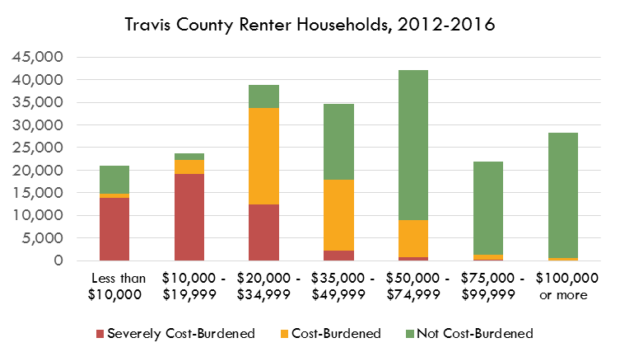
RENTERS | Severely Cost-Burdened | Cost-Burdened | Not Cost-Burdened
Less than $10,000 | 13,412 | 308 | 5,537
$10,000 - $19,999 | 13,869 | 1,458 | 2,237
$20,000 - $34,999 | 18,964 | 4,659 | 1,648
$35,000 - $49,999 | 8,192 | 21,894 | 3,697
$50,000 - $74,999 | 2,881 | 25,314 | 21,555
$75,000 - $99,999 | 526 | 7,088 | 28,066
$100,000 or more | 161 | 2,656 | 79,614

Source: U.S. Census Bureau, American Community Survey, 5-Year Estimates
 | Table B25074: | Household Income by Gross Rent as a Percentage of Household Income in the Past 12 Months
https://data.census.gov/cedsci/table?q=B25074&g=0500000US48453

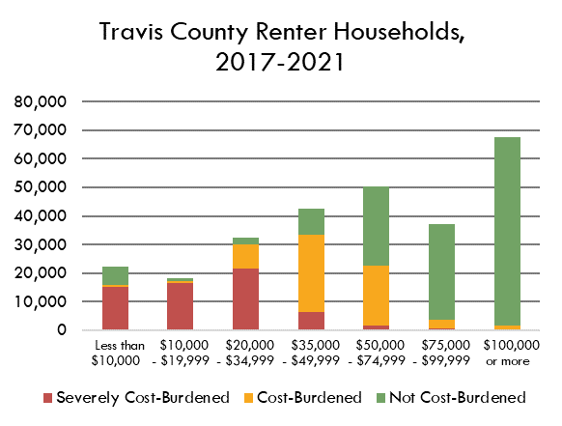

 |  |  |  |  |  |  |  |  |  |  |  |  | Total Renters | Total Cost-Burdened
 |  |  |  |  |  |  |  |  |  |  |  | Less than $10,000: | 24,457 | 22,621
 |  |  |  |  |  |  |  |  |  |  |  | $10,000 to $19,999: | 26,868 | 31,961
 |  |  |  |  |  |  |  |  |  |  |  | $20,000 to $34,999: | 41,010 | 45,866
 |  |  |  |  |  |  |  |  |  |  |  | $35,000 to $49,999: | 34,582 | 26,214
 |  |  |  |  |  |  |  |  |  |  |  | $50,000 to $74,999: | 34,566 | 18,366
 |  |  |  |  |  |  |  |  |  |  |  | $75,000 to $99,999: | 17,954 | 5,555
 |  |  |  |  |  |  |  |  |  |  |  | $100,000 or more: | 19,248 | 6,187

% of Households Who are Renters and % Who are Housing Cost-Burdened, by Income Group, Travis County, 2013
 | Estimates!#REF! | Estimates!#REF!
 | 1 | 1

 |  |  |  |  |  |  | Correlation Between % Cost-Burdened and % Renters
 |  |  |  |  |  |  | #REF!

# Renters and # Cost-Burdened by Income

Number of Households Who are Renters and Total Number of Housing Cost-Burdened Households, by Income Group, Travis County, 2013
 | Estimates!#REF! | Estimates!#REF!
 | 1 | 1
Cost-Burdened Renters and Owners by Income Group, Travis County, 2009-2013
 | Estimates!#REF! | Estimates!#REF!
 | 1 | 1
Renters and Owners by Income Group, Travis County, 2009-2013
 | Estimates!#REF! | Estimates!#REF!
 | 1 | 1

 | Total Owners | Total Renters | HCB Renters | HCB Owners | Non-HCB Renters | Non-HCB Owners |  | Total Households | % Cost-Burdened | Total Cost-Burdened
Less than $10,000: | 5,184 | 24,457 | 18,863 | 3,758 | 5,594 | 1,426 |  | 29,641 | 76% | 22,621
$10,000 to $19,999: | 8,382 | 26,868 | 25,295 | 6,666 | 1,573 | 1,716 |  | 35,250 | 91% | 31,961
$20,000 to $34,999: | 17,875 | 41,010 | 34,104 | 11,762 | 6,906 | 6,113 |  | 58,885 | 78% | 45,866
$35,000 to $49,999: | 22,145 | 34,582 | 13,973 | 12,241 | 20,609 | 9,904 |  | 56,727 | 46% | 26,214
$50,000 to $74,999: | 37,156 | 34,566 | 5,364 | 13,002 | 29,202 | 24,154 |  | 71,722 | 26% | 18,366
$75,000 to $99,999: | 31,146 | 17,954 | 623 | 4,932 | 17,331 | 26,214 |  | 49,100 | 11% | 5,555
$100,000 or more: | 91,303 | 19,248 | 309 | 5,878 | 18,939 | 85,425 |  | 110,551 | 6% | 6,187

 | Cost-Burdened Renters | Non-Cost-Burdened Renters | Cost-Burdened Owners | Non-Cost-Burdened Owners |  |  |  | Cost-Burdened Renters | Non-Cost-Burdened Renters | Cost-Burdened Owners | Non-Cost-Burdened Owners
Less than $10,000: | 18,863 | 5,594 | 3,758 | 1,426 |  |  | Less than $10,000: | 64% | 19% | 13% | 5%
$10,000 to $19,999: | 25,295 | 1,573 | 6,666 | 1,716 |  |  | $10,000 to $19,999: | 72% | 4% | 19% | 5%
$20,000 to $34,999: | 34,104 | 6,906 | 11,762 | 6,113 |  |  | $20,000 to $34,999: | 58% | 12% | 20% | 10%
$35,000 to $49,999: | 13,973 | 20,609 | 12,241 | 9,904 |  |  | $35,000 to $49,999: | 25% | 36% | 22% | 17%
$50,000 to $74,999: | 5,364 | 29,202 | 13,002 | 24,154 |  |  | $50,000 to $74,999: | 7% | 41% | 18% | 34%
$75,000 to $99,999: | 623 | 17,331 | 4,932 | 26,214 |  |  | $75,000 to $99,999: | 1% | 35% | 10% | 53%
$100,000 or more: | 309 | 18,939 | 5,878 | 85,425 |  |  | $100,000 or more: | 0% | 17% | 5% | 77%

 |  |  |  |  |  |  |  |  | 0.064379045595
 |  |  |  |  |  |  |  |  | 0.02
Total Cost-Burdened (All Households) | #REF!

Housing Cost-Burdened Breakdown by Income Group, Travis County, 2009-2013
Housing Cost-Burdened Breakdown by Income Group, Travis County, 2009-2013

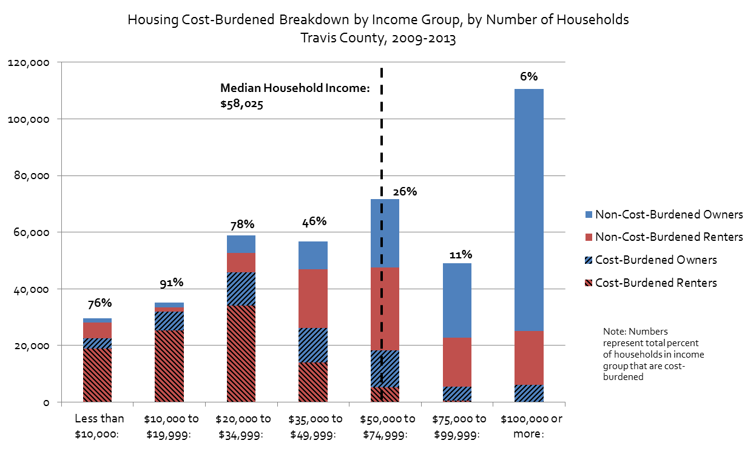
 | Median Household Income (2009-2013) |  | $58,025
 | ACS 5-Year Estimates, Table B19013

Housing Cost-Burdened Breakdown by Income Group, by Number of Households Travis County, 2009-2013

 | Number of Households Below Median Household Income That are Housing Cost-Burdened*
 | 126,662
 | 70%
 | Percent of Housing Cost-Burdened Households Who Make Below Median Household Income
 | 81%
 | *Excluding Households with Incomes Between $50,000 and $58,025

Owner Cost Burdened by Income
OWNERS | Severely Cost-Burdened | Cost-Burdened | Not Cost-Burdened |  |  | Total Owners | Total CB | %CB
Less than $10,000: | 5,204 | 94 | 2,158 |  |  | 297,755 | 71150 | 24%
$10,000 to $19,999: | 4,649 | 893 | 700
$20,000 to $34,999: | 5,736 | 3,740 | 3,181
$35,000 to $49,999: | 5,051 | 4,437 | 5,455
$50,000 to $74,999: | 4,509 | 10,983 | 16,413
$75,000 to $99,999: | 1,935 | 7,956 | 23,201 | 51,108
$100,000 or more: | 1,869 | 14,094 | 175,497 |  |  | Total SCB
Travis County Owner Households, 2019-2023
 | 28953 | 42197 |  |  |  | 5.2%
Data is ACS 5-Year, thus should not be compared year to year
Source: U.S. Census Bureau, American Community Survey, 5-Year Estimates
https://data.census.gov/cedsci/table?q=B25095&g=0500000US48453 | Table B25095: | Household Income by Selected Monthly Owner Costs as a Percentage of Household Income in the Past 12 Months

 | Under $35k Cost Burdened |  | Total Under $35k |  | % under $35k Cost Burdened
 | 20316 |  | 26355 |  | 77%

 | Under $35k Severely Cost Burdened | Total Owners cost-burdened
 | 15589 | 14%

 |  | % under 35k severely cost burdened
 |  | 59%

Travis County Owner Households, 2019-2023
 | $50k- $75k Cost Burdened |  | Total $50k- $75k |  | % $50k- $75k Cost Burdened
 | 15,492 |  | 31,905 |  | 49%

 | $50k- $75k Severely Cost Burdened | Total Owners severely cost-burdened
 | 4,509 | 10%

 |  | % $50k- $75k severely cost burdened
 |  | 14%

 |  |  |  |  |  |  |  |  |  |  |  |  | Total Renters | Total Cost-Burdened
 |  |  |  |  |  |  |  |  |  |  |  | Less than $10,000: | 24,457 | 22,621
 |  |  |  |  |  |  |  |  |  |  |  | $10,000 to $19,999: | 26,868 | 31,961
 |  |  |  |  |  |  |  |  |  |  |  | $20,000 to $34,999: | 41,010 | 45,866
 |  |  |  |  |  |  |  |  |  |  |  | $35,000 to $49,999: | 34,582 | 26,214
 |  |  |  |  |  |  |  |  |  |  |  | $50,000 to $74,999: | 34,566 | 18,366
 |  |  |  |  |  |  |  |  |  |  |  | $75,000 to $99,999: | 17,954 | 5,555
 |  |  |  |  |  |  |  |  |  |  |  | $100,000 or more: | 19,248 | 6,187
% of Households Who are Renters and % Who are Housing Cost-Burdened, by Income Group, Travis County, 2013
 | Estimates!#REF! | Estimates!#REF!
 | 1 | 1

 |  |  |  |  |  |  | Correlation Between % Cost-Burdened and % Renters
 |  |  |  |  |  |  | #REF!

# Renters and # Cost-Burdened by Income

Number of Households Who are Renters and Total Number of Housing Cost-Burdened Households, by Income Group, Travis County, 2013
 | Estimates!#REF! | Estimates!#REF!
 | 1 | 1

Cost-Burdened Renters and Owners by Income Group, Travis County, 2009-2013
 | Estimates!#REF! | Estimates!#REF!
 | 1 | 1
Renters and Owners by Income Group, Travis County, 2009-2013
 | Estimates!#REF! | Estimates!#REF!
 | 1 | 1

 | Total Owners | Total Renters | HCB Renters | HCB Owners | Non-HCB Renters | Non-HCB Owners
Less than $10,000: | 5,184 | 24,457 | 18,863 | 3,758 | 5,594 | 1,426
$10,000 to $19,999: | 8,382 | 26,868 | 25,295 | 6,666 | 1,573 | 1,716 |  | Total Households | % Cost-Burdened | Total Cost-Burdened
$20,000 to $34,999: | 17,875 | 41,010 | 34,104 | 11,762 | 6,906 | 6,113 |  | 29,641 | 76% | 22,621
$35,000 to $49,999: | 22,145 | 34,582 | 13,973 | 12,241 | 20,609 | 9,904 |  | 35,250 | 91% | 31,961
$50,000 to $74,999: | 37,156 | 34,566 | 5,364 | 13,002 | 29,202 | 24,154 |  | 58,885 | 78% | 45,866
$75,000 to $99,999: | 31,146 | 17,954 | 623 | 4,932 | 17,331 | 26,214 |  | 56,727 | 46% | 26,214
$100,000 or more: | 91,303 | 19,248 | 309 | 5,878 | 18,939 | 85,425 |  | 71,722 | 26% | 18,366
 |  |  |  |  |  |  |  | 49,100 | 11% | 5,555
 |  |  |  |  |  |  |  | 110,551 | 6% | 6,187
 | Cost-Burdened Renters | Non-Cost-Burdened Renters | Cost-Burdened Owners | Non-Cost-Burdened Owners
Less than $10,000: | 18,863 | 5,594 | 3,758 | 1,426
$10,000 to $19,999: | 25,295 | 1,573 | 6,666 | 1,716 |  |  |  | Cost-Burdened Renters | Non-Cost-Burdened Renters | Cost-Burdened Owners | Non-Cost-Burdened Owners
$20,000 to $34,999: | 34,104 | 6,906 | 11,762 | 6,113 |  |  | Less than $10,000: | 64% | 19% | 13% | 5%
$35,000 to $49,999: | 13,973 | 20,609 | 12,241 | 9,904 |  |  | $10,000 to $19,999: | 72% | 4% | 19% | 5%
$50,000 to $74,999: | 5,364 | 29,202 | 13,002 | 24,154 |  |  | $20,000 to $34,999: | 58% | 12% | 20% | 10%
$75,000 to $99,999: | 623 | 17,331 | 4,932 | 26,214 |  |  | $35,000 to $49,999: | 25% | 36% | 22% | 17%
$100,000 or more: | 309 | 18,939 | 5,878 | 85,425 |  |  | $50,000 to $74,999: | 7% | 41% | 18% | 34%
 |  |  |  |  |  |  | $75,000 to $99,999: | 1% | 35% | 10% | 53%
 |  |  |  |  |  |  | $100,000 or more: | 0% | 17% | 5% | 77%

Total Cost-Burdened (All Households) | #REF! |  |  |  |  |  |  |  | 0.064379045595
 |  |  |  |  |  |  |  |  | 0.02
Housing Cost-Burdened Breakdown by Income Group, Travis County, 2009-2013

Housing Cost-Burdened Breakdown by Income Group, Travis County, 2009-2013

 | Median Household Income (2009-2013) |  | $58,025
 | ACS 5-Year Estimates, Table B19013

Housing Cost-Burdened Breakdown by Income Group, by Number of Households Travis County, 2009-2013

 | Number of Households Below Median Household Income That are Housing Cost-Burdened*
 | 126,662
 | 70%
 | Percent of Housing Cost-Burdened Households Who Make Below Median Household Income
 | 81%
 | *Excluding Households with Incomes Between $50,000 and $58,025

MOE
Number
 | Total Owners | Total Renters | HCB Renters | HCB Owners | Total Households | Total Cost-Burdened | % Cost-Burdened | CV | Lower Estimate | Upper Estimate
Less than $10,000: | 7,456 | 19,257 | 13,720 | 5,298 | 26,713 | 19,018 | 71% | 3% | 68% | 74%
$10,000 to $19,999: | 6,242 | 17,564 | 15,327 | 5,542 | 23,806 | 20,869 | 88% | 3% | 84% | 92%
$20,000 to $34,999: | 12,657 | 25,271 | 23,623 | 9,476 | 37,928 | 33,099 | 87% | 3% | 83% | 91%
$35,000 to $49,999: | 14,943 | 33,783 | 30,086 | 9,488 | 48,726 | 39,574 | 81% | 2% | 79% | 84%
$50,000 to $74,999: | 31,905 | 49,750 | 28,195 | 15,492 | 81,655 | 43,687 | 54% | #NUM! | #NUM! | #NUM!
$75,000 to $99,999: | 33,092 | 35,680 | 7,614 | 9,891 | 68,772 | 17,505 | 25% | 5% | 24% | 27%
$100,000 to $149,999: | 57,804 | 82,431 | 2,817 | 10,325 | 140,235 | 13,142 | 9% | 1% | 9% | 10%
$150,000 or more | 133,656 | 62,092 | 0 | 5,638 | 195,748 | 5,638 | 3% | #NUM! | #NUM! | #NUM!

Margin of Error
 | Total Owners | Total Renters | HCB Renters | HCB Owners | Total Households | Total Cost-Burdened | % Cost-Burdened
Less than $10,000: | 737 | 1,652 | 1,517 | 793 | 1,809 | 1,517 | 3%
$10,000 to $19,999: | 796 | 1,405 | 1,706 | 1,170 | 1,615 | 1,706 | 4%
$20,000 to $34,999: | 960 | 1,640 | 2,208 | 1,644 | 1,900 | 2,208 | 4%
$35,000 to $49,999: | 1,147 | 1,857 | 2,203 | 1,772 | 2,183 | 2,203 | 3%
$50,000 to $74,999: | 1,855 | 2,490 | 1,626 | 2,530 | 3,105 | 1,626 | #NUM!
$75,000 to $99,999: | 1,914 | 1,684 | 1,462 | 2,348 | 2,549 | 1,462 | 2%
$100,000 to $149,999: | 2,544 | 3,001 | 442 | 2,109 | 3,934 | 442 | 0%
$150,000 or more | 2,740 | 0 | - | 1,127 | 2,740 | - | #NUM!

Source: U.S. Census Bureau, 2015-2019 American Community Survey 5-Year Estimates
 | Table B25074: | Household Income by Gross Rent as a Percentage of Household Income in the Past 12 Months
 | Table B25095: Household Income by Selected Monthly Owner Costs As a Percentage of Household Income in the Past 12 Months (1-year estimates)

 | Total Owners | Total Renters | HCB Renters | HCB Owners | Total Households | Total Cost-Burdened | % Cost-Burdened | CV | Lower Estimate | Upper Estimate
Less than $50,000: | 41,298 | 95,875 | 82,756 | 29,804 | 137,173 | 112,560 | 82% | 2% | 79% | 85%
$50,000 to $99,999: | 64,997 | 85,430 | 35,809 | 25,383 | 150,427 | 61,192 | 41% | 4% | 38% | 43%
$100,000 or more: | 191,460 | 82,431 | 2817 | 15,963 | 273,891 | 18,780 | 7% | 10% | 6% | 8%

MOE
 | Total Owners | Total Renters | HCB Renters | HCB Owners | Total Households | Total Cost-Burdened | % Cost-Burdened
Less than $50,000: | 1,848 | 3,293 | 3,865 | 2,800 | 3,776 | 4,773 | 3%
$50,000 to $99,999: | 2,665 | 3,006 | 2,187 | 3,452 | 4,018 | 4,086 | 2%
$100,000 or more: | 5,284 | 3,001 | 442 | 3,236 | 6,077 | 3,266 | 1%

Percent of Households Spending 30% or More of Income on Housing Costs, by Income Group, Travis County, 2016-2020
Percent of Households Spending 30% or More of Income on Housing Costs, by Income Group, Travis County, 2016-2020

