ACS 1 Yr Indicator
 | 2008 | 2009 | 2010 | 2011 | 2012 | 2013 | 2014 | 2015 | 2016 | 2017 | 2018 | 2019 | 2020* | 2021 | 2022 | 2023 | 2024 | 2025 | 2026 | 2027 | 2028 | 2029 | 2030
Austin | 26% | 25% | 24% | 22% | 22% | 20% | 19% | 17% | 14% | 14% | 14% | 15% |  | 14% | 13% | 12.2%
Travis County | 24% | 24% | 22% | 21% | 21% | 20% | 18% | 16% | 14% | 13% | 13% | 16% |  | 14% | 12% | 12.2%
Austin MSA | 22% | 22% | 21% | 20% | 19% | 19% | 17% | 14% | 13% | 13% | 14% | 15% |  | 14% | 12% | 12.4%
Extended Trend
2018 | 14%
2019 | 15%
2020*
2021 | 14%
2022 | 13%
2023
2024
2025
2026
Texas | 26% | 26% | 26% | 25% | 25% | 25% | 21% | 19% | 19% | 19% | 20% | 21% |  | 20% | 19% | 18.7%
USA | 17% | 17% | 18% | 17% | 17% | 17% | 13% | 11% | 10% | 10% | 10% | 11% |  | 10% | 10% | 9.4%

 | 2008 | 2009 | 2010 | 2011 | 2012 | 2013 | 2014 | 2015 | 2016 | 2017 | 2018 | 2019 | 2020* | 2021 | 2022 | 2023
United States | 44,554,848 | 45,306,407 | 46,821,118 | 45,983,598 | 45,212,230 | 44,735,014 | 36,246,622 | 29,365,543 | 26,931,512 | 27,633,466 | 28,164,584 | 29,227,002 |  | 27,781,901 | 25,911,100 | 25,690,481
Texas | 5,682,187 | 5,738,270 | 5,821,899 | 5,740,802 | 5,706,783 | 5,690,238 | 4,988,539 | 4,555,408 | 4,487,295 | 4,754,647 | 4,934,801 | 5,169,072 |  | 5,153,327 | 4,829,621 | 4,837,228
Austin MSA | 333,181 | 345,147 | 328,226 | 330,434 | 323,228 | 322,181 | 297,133 | 252,858 | 246,026 | 243,613 | 267,210 | 298,659 |  | 295,528 | 253,360 | 268,216
Travis County | 217,483 | 232,414 | 209,821 | 208,189 | 207,038 | 200,777 | 188,561 | 165,832 | 153,743 | 143,430 | 150,373 | 177,906 |  | 159,470 | 140,391 | 143,533
Austin | 185,708 | 186,634 | 173,224 | 170,696 | 169,380 | 162,202 | 155,292 | 145,435 | 121,742 | 116,148 | 119,730 | 132,457 |  | 118,080 | 109,785 | 107,034

Percent Change

* The US Census Bureau did not release 2020 ACS 1-Year Data. Without the data from the USCB, uninsured rates were not possible to determine.
For more information please read the announcement, available at https://www.census.gov/newsroom/press-releases/2021/changes-2020-acs-1-year.html

Percent of Travis County Residents Under Age 65 Who are Uninsured
 | Austin | Travis County | Austin MSA | Texas | USA
2019 | 0.15 | 0.16 | 0.15 | 0.21 | 0.11
2020*
2021 | 0.13631074417 | 0.13751859437 | 0.14316871379 | 0.20417334259 | 0.1020753178
2022 | 0.12661884941 | 0.11927695182 | 0.11960929644 | 0.18870962152 | 0.095300383675
2023 | 0.12213055831 | 0.12197553232 | 0.12449719039 | 0.18664886467 | 0.094416781225
Target: 12% by 2025
Additional information: Under 65 years with no private or public health insurance coverage for the civilian non-institutionalized population
Source(s): American Community Survey, 1 Year Estimates - Detailed Tables
S2701 - Health Insurance Coverage Status |  |  | https://data.census.gov/table/ACSST1Y2023.S2701?q=s2701&g=050XX00US48491,48209,48453_310XX00US12420_160XX00US4805000_040XX00US48_010XX00US
Under Age 65 with no Health Insurance
B27001 - Health Insurance Coverage Status by Age for the Civilian Noninstitutionalized Population |  |  | https://data.census.gov/table/ACSDT1Y2023.B27001?q=B27001&g=050XX00US48453

Under Age 65 with No Health Insurance
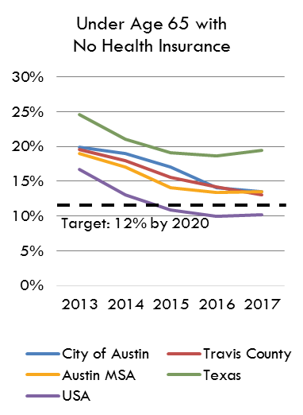

Target: 12% by 2025

Target: 12% by 2025

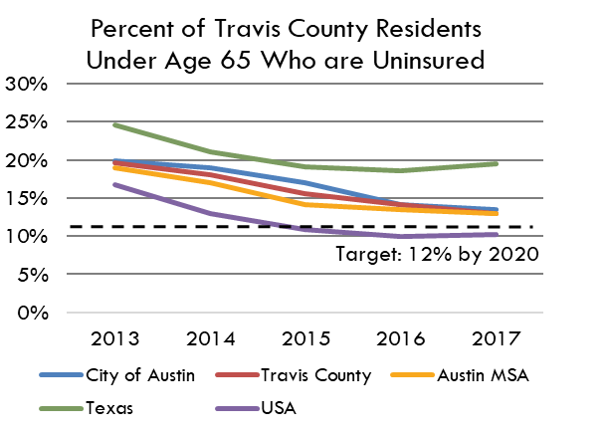
Under Age 65 with no Health Insurance, 2008-2017

Under Age 65 with no Health Insurance

Target: 12% by 2020

