Overview
data for "Percent of Individuals in Travis County with Incomes Below the Poverty Level by Race and Ethnicity"
Percent in Poverty by Race & Ethnicity, Travis County 2019-2023
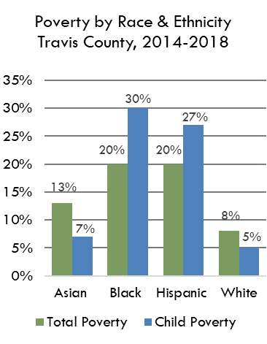
 | Asian | Black | Hispanic | White
Total | 11% | 15.5% | 16.1% | 7%
Child
Source(s): Table S1701 Poverty Status in the Past 12 Months, 2016-2020 American Community Survey 5-Year Estimates
https://data.census.gov/table/ACSST5Y2023.S1701?q=s1701&g=050XX00US48453&hidePreview=true

 | Asian | Black | Hispanic | White
Total Poverty | 11% | 16% | 16% | 7%
Child Poverty | 6% | 22% | 22% | 5%

Poverty by Race & Ethnicity, Travis County, 2019-2023
Poverty by Race & Ethnicity Travis County, 2019-2023

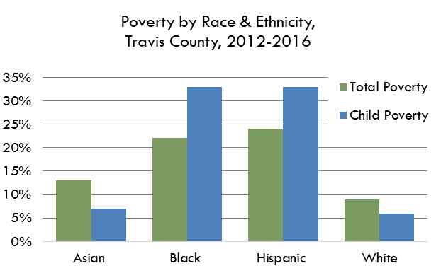

Poverty by Race & Ethnicity, Travis County, 2019-2023

Poverty by Race & Ethnicity Travis County, 2019-2023

