Overview
data for "Percent of Children and Youth Living Below the Poverty Level"

 | 2005 | 2006 | 2007 | 2008 | 2009 | 2010 | 2011 | 2012 | 2013 | 2014 | 2015 | 2016 | 2017 | 2018 | 2019 | 2020* | 2021 | 2022 | 2023
City of Austin | 26% | 25% | 24% | 22% | 27% | 28% | 29% | 30% | 24% | 28% | 20% | 18% | 17% | 19% | 16% |  | 17% | 14% | 16%
Travis County | 21% | 20% | 19% | 19% | 23% | 26% | 25% | 26% | 22% | 24% | 18% | 17% | 15% | 16% | 14% |  | 15% | 11.6% | 12.3%
Austin MSA | 17% | 16% | 16% | 16% | 19% | 20% | 20% | 21% | 18% | 20% | 15% | 14% | 12% | 14% | 13% |  | 13% | 9.9% | 10.6%
Texas | 25% | 24% | 23% | 23% | 24% | 26% | 27% | 26% | 25% | 25% | 23% | 22% | 21% | 21% | 19% |  | 20% | 19% | 18%
USA | 19% | 18% | 18% | 18% | 20% | 22% | 23% | 23% | 22% | 22% | 21% | 20% | 18% | 18% | 17% |  | 17% | 16% | 16%

*The US Census Bureau did not release 2020 ACS 1-Year data. To estimate the 2020 poverty rate, the median between the 2019 and 2021 rates was used.

Source(s): U.S. Census Bureau. "Age by Ratio of Income to Poverty Level in the Past 12 Months." American Community Survey, ACS 1-Year Estimates Detailed Tables, Table B17024, 2022
https://data.census.gov/table/ACSDT1Y2022.B17024?q=b17024&g=310XX00US12420_160XX00US4805000_050XX00US48453_040XX00US48_010XX00US
Children and Youth Living Below the Poverty Level
 | City of Austin | Travis County | Austin MSA | Texas | USA
2018 | 19% | 16% | 14% | 21% | 18%
2019 | 16% | 14% | 13% | 19% | 17%
2020*
2021 | 17% | 15% | 13% | 20% | 17%
2022 | 14% | 12% | 10% | 19% | 16%
2023 | 16% | 12% | 11% | 18% | 16%

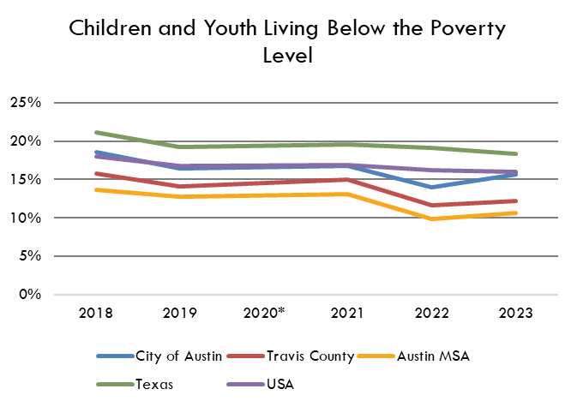

Estimates
 | 2009 | 2010 | 2011 | 2012 | 2013 | 2014 | 2015 | 2016 | 2017 | 2018 | 2019 | 2020* | 2021 | 2022 | 2022 MoE | 2023 | 2022 MoE
Austin | 27% | 28% | 29% | 30% | 24% | 27% | 20% |  |  |  |  |  | 17% | 14% | 3.42% | 16% | 4%
Travis County | 23% | 26% | 25% | 26% | 22% | 24% | 18% |  |  |  |  |  | 15% | 12% | 2.35% | 12% | 2%
Austin MSA | 19% | 20% | 20% | 21% | 18% | 20% | 15% |  |  |  |  |  | 13% | 10% | 1.40% | 11% | 1.60%
Texas | 24% | 26% | 27% | 26% | 25% | 25% | 23% |  |  |  |  |  | 20% | 19% | 0.42% | 18% | 0.50%
USA | 20% | 22% | 23% | 23% | 22% | 22% | 21% |  |  |  |  |  | 17% | 16% | 0.12% | 16% | 0.14%

Source: American Community Survey, 1-Year Estimates - S1701 Poverty Status in the Past 12 Months

Children and Youth Living Below the Poverty Level

 | USA | Texas | Austin MSA | Austin | Travis County
2009 | 20% | 24% | 19% | 27% | 23%
2010 | 22% | 26% | 20% | 28% | 26%
2011 | 23% | 27% | 20% | 29% | 25%
2012 | 23% | 26% | 21% | 30% | 26%
2013 | 22% | 25% | 18% | 24% | 22%
2014 | 22% | 25% | 20% | 27% | 24%
2015 | 21% | 23% | 15% | 20% | 18%

