200% FPL
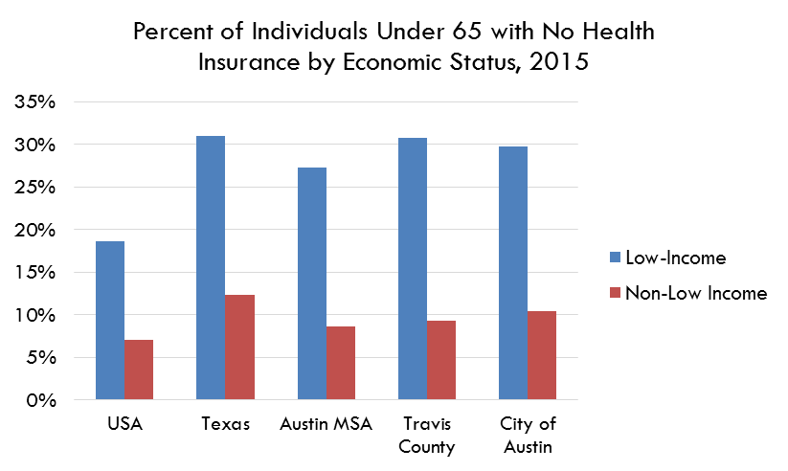
Low-Income
 | 2013 | 2014 | 2015 | 2016 | 2017 | 2018 | 2019 | 2020* | 2021 | 2022 | 2023 | 2024
United States | 28% | 23% | 19% | 17% | 17% | 17% | 18% |  | 17% | 16% | 16% | 0%
Texas | 38% | 33% | 31% | 30% | 31% | 31% | 33% |  | 33% | 30% | 30% | 0%
Austin MSA | 34% | 31% | 27% | 26% | 25% | 26% | 30% |  | 29% | 27% | 24% | 0%
Travis County | 33% | 32% | 31% | 29% | 28% | 26% | 29% |  | 29% | 27.69% | 23.8% | 0%
City of Austin | 33% | 31% | 30% | 25% | 25% | 25% | 30% |  | 29% | 28% | 23% | 0%

Not Low-Income
 | 2013 | 2014 | 2015 | 2016 | 2017 | 2018 | 2019 | 2020* | 2021 | 2022 | 2023 | 2024
United States | 11% | 9% | 7% | 7% | 7% | 7% | 8% |  | 7% | 7% | 7% | 0%
Texas | 16% | 14% | 12% | 12% | 13% | 14% | 15% |  | 15% | 14% | 14% | 0%
Austin MSA | 12% | 11% | 9% | 9% | 9% | 9% | 11% |  | 9% | 8% | 9% | 0%
Travis County | 13% | 11% | 9% | 9% | 8% | 8% | 10% |  | 9% | 7.45% | 8.9% | 0%
City of Austin | 13% | 11% | 10% | 9% | 9% | 9% | 11% |  | 10% | 8% | 9% | 0%

* The US Census Bureau did not release 2020 ACS 1-Year Data. Without the data from the USCB, uninsured rates were not possible to determine.
For more information please read the announcement, available at https://www.census.gov/newsroom/press-releases/2021/changes-2020-acs-1-year.html
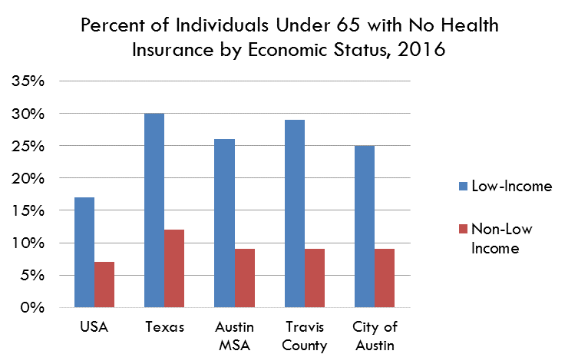

Source: Table B27016: Health Insurance Coverage Status and Type by Ratio of Income to Poverty in the Last 12 Months, American Community Survey, 1-Year Estimates
https://data.census.gov/table/ACSDT1Y2023.B27016?q=B27016&g=160XX00US4805000_310XX00US12420_050XX00US48453_040XX00US48_010XX00US
2023 |  | Low-Income | Non-Low Income
Uninsured by Economic Status, 2023
USA |  | 16% | 7%
Texas |  | 30% | 14%
Austin MSA |  | 24% | 9%
Travis County |  | 24% | 9%
City of Austin |  | 23% | 9%

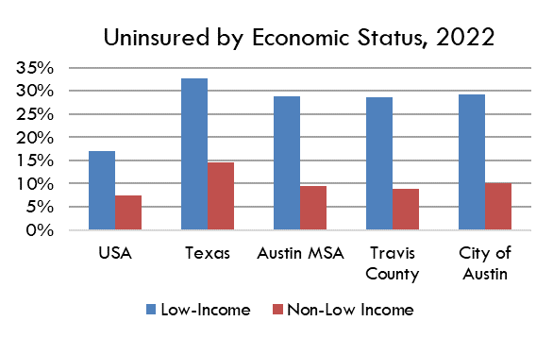

10-Year
Uninsured by Economic Status, 2009-2021
 | City of Austin | Travis County | Austin MSA | Texas | United States
2009 | 41% | 40% | 38% | 38% | 27%
2010 | 38% | 36% | 37% | 37% | 27%
2011 | 35% | 35% | 35% | 36% | 26%
2012 | 34% | 33% | 33% | 35% | 25%
2013 | 33% | 33% | 34% | 38% | 28%
2014 | 31% | 32% | 31% | 33% | 23%
2015 | 30% | 31% | 27% | 31% | 19%
2016 | 25% | 29% | 26% | 30% | 17%
2017 | 25% | 28% | 25% | 31% | 17%
2018 | 25% | 26% | 26% | 31% | 17%
2019 | 30% | 29% | 30% | 33% | 18%
2020
2021 | 29% | 29% | 29% | 33% | 17%
Low-Income
 | 2009 | 2010 | 2011 | 2012 | 2013 | 2014 | 2015 | 2016 | 2017 | 2018 | 2019 | 2020 | 2021
United States | 27% | 27% | 26% | 25% | 28% | 23% | 19% | 17% | 17% | 17% | 18% |  | 17%
Texas | 38% | 37% | 36% | 35% | 38% | 33% | 31% | 30% | 31% | 31% | 33% |  | 33%
Austin MSA | 38% | 37% | 35% | 33% | 34% | 31% | 27% | 26% | 25% | 26% | 30% |  | 29%
Travis County | 40% | 36% | 35% | 33% | 33% | 32% | 31% | 29% | 28% | 26% | 29% |  | 29%
City of Austin | 41% | 38% | 35% | 34% | 33% | 31% | 30% | 25% | 25% | 25% | 30% |  | 29%

Not Low-Income
 | 2009 | 2010 | 2011 | 2012 | 2013 | 2014 | 2015 | 2016 | 2017 | 2018 | 2019 | 2020 | 2021
United States | 10% | 10% | 9% | 9% | 11% | 9% | 7% | 7% | 7% | 7% | 8% |  | 7%
Texas | 15% | 15% | 14% | 15% | 16% | 14% | 12% | 12% | 13% | 14% | 15% |  | 15%
Austin MSA | 13% | 11% | 11% | 10% | 12% | 11% | 9% | 9% | 9% | 9% | 11% |  | 9%
Travis County | 14% | 12% | 12% | 11% | 13% | 11% | 9% | 9% | 8% | 8% | 10% |  | 9%
City of Austin | 14% | 12% | 13% | 12% | 13% | 11% | 10% | 9% | 9% | 9% | 11% |  | 10%

Source: Table B27016: Health Insurance Coverage Status and Type by Ratio of Income to Poverty in the Last 12 Months, American Community Survey, 1-Year Estimates

