Sheet1
Crime Rates per 100,000 for Counties in the Austin-Round Rock-San Marcos MSA
Property and Violent Crime Rates Per 100,000 People, Travis County
Violent and Property Crime Rates Per 100,000 People, Travis County
 | Property Crime Rate | Violent Crime Rate
2016 | 3,139 | 387
2017 | 2,885 | 386
2018 | 3,023 | 371
Travis County
 |  | 2016 | 2017 | 2018 | 2019 | 2020 | 2021 | 2022 | 2023 | 2024 | 5-Yr Change | 1-Yr Change | 1% decline target:
 | Population | 1261654 | 1286603 | 1295034 | 1313366 | 1343839 | 1364478 | 1369051 | 1390841 | 1411795
 | Total # of Offenses | 44488 | 42074 | 43959 | 47629 | 47865 | 45782 | 47192 | 46058 | 45155
 | Overall Crime Rate | 3526 | 3270 | 3394 | 3626 | 3562 | 3355 | 3447 | 3312 | 3198 | -10% | -7%
 | Total # of Violent Offenses | 4888 | 4960 | 4811 | 5012 | 5638 | 6001 | 6313 | 6091 | 5705
 | Violent Crime Rate | 387 | 386 | 371 | 382 | 420 | 440 | 461 | 438 | 404 | -4% | -8% | 434
 | Total # of Property Offenses | 39600 | 37114 | 39148 | 42617 | 42227 | 39781 | 40879 | 39967 | 39450
 | Property Crime Rate | 3,139 | 2,885 | 3,023 | 3,245 | 3,142 | 2,915 | 2,986 | 2,874 | 2,794 | -11.1% | -3% | 2845

Violent and Property Crime Rates Per 100,000 People, Travis County
 | Property Crime Rate | Violent Crime Rate
2016 | 3,139 | 387
2017 | 2,885 | 386
2018 | 3,023 | 371
El Paso County
 |  | 2016 | 2017 | 2018 | 2019 | 2020 | 2021 | 2022 | 2023 | 2024
 | Population | 838465 | 842905 | 843458 | 840222 | 840442 | 836739 | 875027 | 871431 | 880452
 | Total # of Offenses | 17420 | 17275 | 14857 | 14693 | 12272 | 11906 | 13708 | 15591 | 14213
Violent and Property Crime Rates Per 100,000 People, Travis County
 | Violent Crime Rate | Property Crime Rate
2016 | 387 | 3,139
2017 | 386 | 2,885
2018 | 371 | 3,023
 | Overall Crime Rate | 2078 | 2050 | 1761 | 1749 | 1460 | 1423 | 1567 | 1614 | 1789
 | Total # of Violent Offenses | 3055 | 3016 | 2917 | 2802 | 2607 | 2098 | 2655 | 2779 | 2337
 | Violent Crime Rate | 364 | 358 | 346 | 333 | 310 | 251 | 303 | 319 | 265
 | Total # of Property Offenses | 14365 | 14259 | 11940 | 11891 | 9665 | 9808 | 11053 | 12812 | 11876
 | Property Crime Rate | 1713 | 1692 | 1416 | 1415 | 1150 | 1172 | 1263 | 1470 | 1349

Tarrant County
 |  | 2016 | 2017 | 2018 | 2019 | 2020 | 2021 | 2022 | 2023 | 2024
 | Population | 1957085 | 2005933 | 2027460 | 2050205 | 2071940 | 2076694 | 2095201 | 2121472 | 2173767
 | Total # of Offenses | 63658 | 64219 | 59637 | 57987 | 58574 | 58320 | 58024 | 59046 | 58019
 | Overall Crime Rate | 3253 | 3201 | 2941 | 2828 | 2827 | 2808 | 2769 | 2783 | 2669
 | Total # of Violent Offenses | 7974 | 8284 | 7583 | 7455 | 8713 | 9150 | 8559 | 8291 | 7963
Violent and Property Crime Rates Per 100,000 People, Travis County
 | Property Crime Rate | Violent Crime Rate
2016 | 3,139 | 387
2017 | 2,885 | 386
2018 | 3,023 | 371
 | Violent Crime Rate | 407 | 413 | 374 | 364 | 421 | 441 | 409 | 391 | 366
 | Total # of Property Offenses | 55684 | 55935 | 52054 | 50532 | 49861 | 49170 | 49465 | 50755 | 50056
 | Property Crime Rate | 2845 | 2788 | 2567 | 2465 | 2406 | 2368 | 2361 | 2392 | 2303

Bexar County
 |  | 2016 | 2017 | 2018 | 2019 | 2020 | 2021 | 2022 | 2023 | 2024
 | Population | 1932033 | 1966517 | 1992664 | 2010637 | 2034193 | 2043748 | 2056933 | 2088082 | 2137762
 | Total # of Offenses | 101917 | 96753 | 81689 | 89207 | 76542 | 82308 | 99771 | 105737 | 92060
 | Overall Crime Rate | 5275 | 4920 | 4099 | 4437 | 3763 | 4027 | 4850 | 5064 | 4306
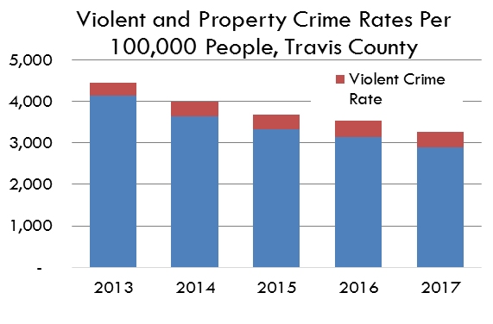
 | Total # of Violent Offenses | 11745 | 11915 | 10780 | 12190 | 12444 | 12239 | 14415 | 11949 | 10595
 | Violent Crime Rate | 608 | 606 | 541 | 606 | 612 | 599 | 701 | 572 | 496
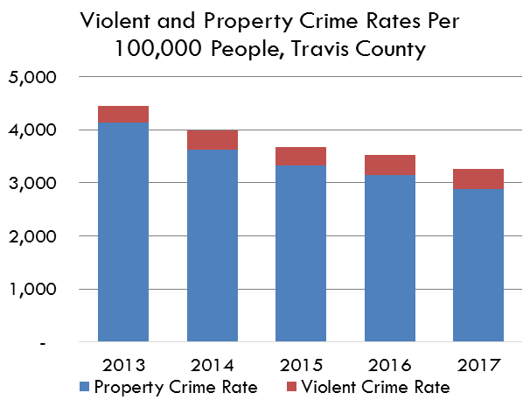
 | Total # of Property Offenses | 192089 | 84838 | 70909 | 77017 | 64098 | 70069 | 85356 | 93788 | 81465
 | Property Crime Rate | 9942 | 4314 | 3559 | 3830 | 3151 | 3428 | 4150 | 4492 | 3811

Harris County
 |  | 2016 | 2017 | 2018 | 2019 | 2020 | 2021 | 2022 | 2023 | 2024
 | Population | 4646498 | 4702468 | 4753437 | 4776485 | 4799254 | 4788935 | 4788785 | 4850683 | 4961415
 | Total # of Offenses | 197691 | 191423 | 185606 | 194475 | 196508 | 194815 | 209078 | 208245 | 202612
 | Overall Crime Rate | 4255 | 4071 | 3905 | 4072 | 4095 | 4068 | 4366 | 4293 | 4084
 | Total # of Violent Offenses | 34814 | 36511 | 35213 | 34716 | 40288 | 39948 | 37383 | 37529 | 38617
 | Violent Crime Rate | 749 | 776 | 741 | 727 | 839 | 834 | 781 | 774 | 778
 | Total # of Property Offenses | 162877 | 154912 | 150393 | 159759 | 156220 | 154867 | 171695 | 170716 | 163995
 | Property Crime Rate | 3505 | 3294 | 3164 | 3345 | 3255 | 3234 | 3585 | 3519 | 3305

Dallas County
 |  | 2016 | 2017 | 2018 | 2019 | 2020 | 2021 | 2022 | 2023 | 2024
 | Population | 2857909 | 2887503 | 2931219 | 2943177 | 2947321 | 2929932 | 2880842 | 2914889 | 2948421
 | Total # of Offenses | 101981 | 97890 | 97328 | 97855 | 99058 | 96842 | 102437 | 102858 | 91435
 | Overall Crime Rate | 3568 | 3390 | 3320 | 3325 | 3361 | 3305 | 3556 | 3529 | 3101
 | Total # of Violent Offenses | 14329 | 14688 | 14305 | 15756 | 15677 | 15483 | 14356 | 13008 | 13175
 | Violent Crime Rate | 501 | 509 | 488 | 535 | 532 | 528 | 498 | 446 | 447
 | Total # of Property Offenses | 87652 | 83202 | 83023 | 82099 | 83381 | 81359 | 88081 | 89850 | 78260
 | Property Crime Rate | 3067 | 2881 | 2832 | 2789 | 2829 | 2777 | 3057 | 3082 | 2654

The crime count of incidents (including murder, rape, robbery, aggravated assault, burglary, theft, and auto theft) divided by population to produce a rate per 100,000 persons in the population.

Data Source
 | Texas Department of Public Safety Crime Reports, Crime by Jurisdiction: https://www.dps.texas.gov/section/crime-records/crime-texas
 | United States Crime Data: https://www.fbi.gov/how-we-can-help-you/need-an-fbi-service-or-more-information/ucr/publications

 | 2014 Data Reporting Omissions

