Percent in Poverty
Percent of Travis County Children Living Below Poverty Level by Race and Ethnicity 2019-2023
Percent in Poverty

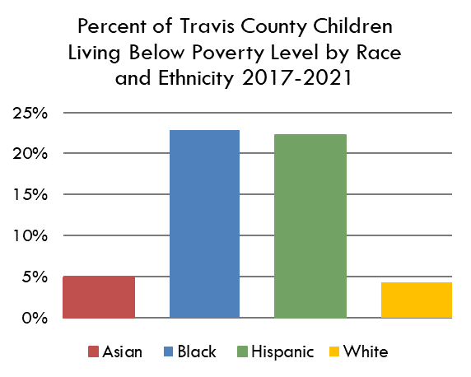
 | Asian | Black | Hispanic | White
2019-2023 | 8% | 16.57% | 22.00% | 5%
 |  |  |  | 0.26129769273
 |  |  |  | 0.31355723127

Source(s): Tables B17001B, B17001D, B17001H, and B17001I, Poverty Status in the Past 12 Months by Sex by Age (Black, Asian, White non-Hispanic, and Hispanic, respectively), 2018-2022 American Community Survey 5-Year Estimates

https://data.census.gov/table/ACSDT5Y2023.B17001B?q=b17001b&g=050XX00US48453
https://data.census.gov/table/ACSDT5Y2023.B17001D?q=b17001d&g=050XX00US48453
https://data.census.gov/table/ACSDT5Y2023.B17001H?q=b17001h&g=050XX00US48453
https://data.census.gov/table/ACSDT5Y2023.B17001I?q=b17001i&g=050XX00US48453
https://data.census.gov/table/ACSDT5Y2023.B17001?q=b17001&g=050XX00US48453

