By Sex
Uninsured by Sex, 2019-2023
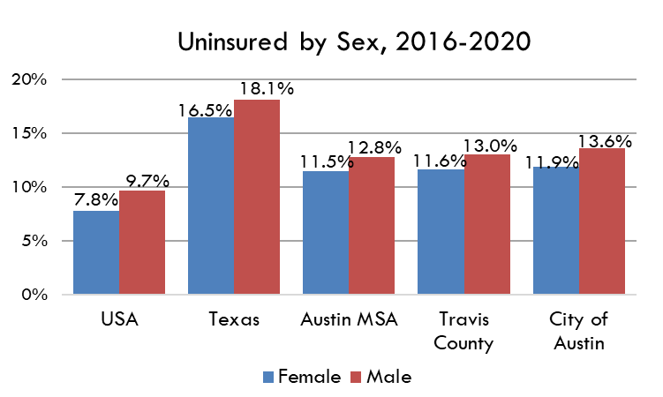
Female
 | 2019-2023
United States | 7.5%
Texas | 16.4%
Austin MSA | 11.1%
Travis County | 11.2%
City of Austin | 11.4%

Male
 | 2019-2023
United States | 9.6%
Texas | 18.3%
Austin MSA | 13.0%
Travis County | 13.2%
City of Austin | 13.4%

Source: Table S2701: Selected Characteristics of Health Insurance Coverage in the United States, American Community Survey, 5-Year Estimates

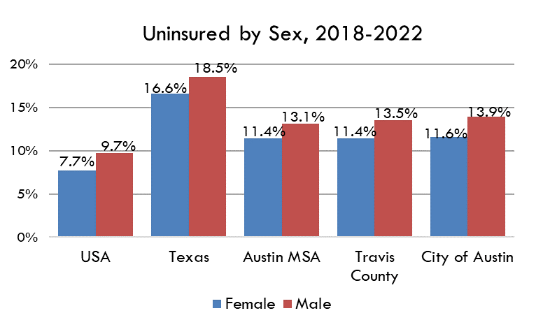
2019-2023 |  | Female | Male
USA |  | 7.5% | 9.6%
Texas |  | 16.4% | 18.3%
Austin MSA |  | 11.1% | 13.0%
Travis County |  | 11.2% | 13.2%
City of Austin |  | 11.4% | 13.4%

10-Year
Uninsured by Sex, 2009-2017
 | City of Austin | Travis County | Austin MSA | Texas | United States
2009
2010
2011
2012
2013
2014
2015
2016
2017
Low-Income
 | 2009 | 2010 | 2011 | 2012 | 2013 | 2014 | 2015 | 2016 | 2017
United States
Texas
Austin MSA
Travis County
City of Austin

Not Low-Income
 | 2009 | 2010 | 2011 | 2012 | 2013 | 2014 | 2015 | 2016 | 2017
United States
Texas
Austin MSA
Travis County
City of Austin

Source: Table S2701: Selected Characteristics of Health Insurance Coverage in the United States, American Community Survey, 1-Year Estimates

