Percent in Poverty
 | Not in Poverty | In Poverty | Total | % in Poverty
Asian | 15,835 | 1,376 | 17,211 | 8%
Black | 17,341 | 3,445 | 20,786 | 16.6%
Hispanic | 90,085 | 25,407 | 115,492 | 22.0%
Other | 16,975 | 683 | 17,658 | 4%
White | 88,355 | 4,872 | 93,227 | 5% | 0.86384596037

Source(s): Tables B17001B, B17001D, B17001H, and B17001I, Poverty Status in the Past 12 Months by Sex by Age (Black, Asian, White non-Hispanic, and Hispanic, respectively), 2018-2012 American Community Survey 5-Year Estimates
Travis County Children by Race & Ethnicity, 2019-2023
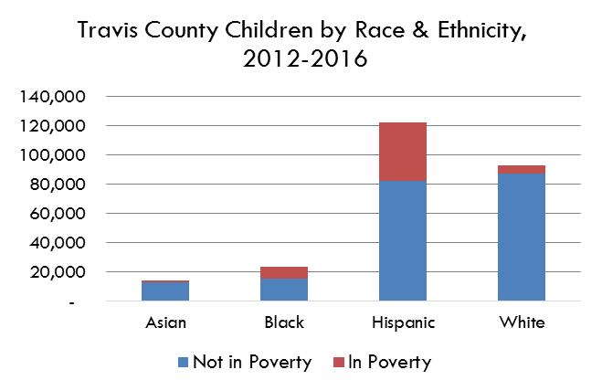

 |  | 35,783

2022
 | % poverty | % child poverty
Asian | 12% | 8%
Black | 17% | 17%
Poverty by Race & Ethnicity, Travis County, 2018-2022
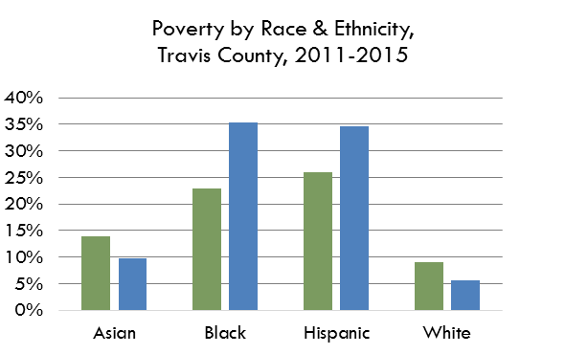
Hispanic | 17% | 22%
White | 7% | 5%

 | S1701 5-Year | B17001_ 5-Yr

