Overview
Percent Employed by Sex, Race and Ethnicity, Ages 16-24, Travis County, 2023
Percent Employed by Sex, Race, and Ethnicity, Ages 25-64, Travis County 2023
Percent Employed by Sex, Race and Ethnicity, Ages 18-64, Travis County, 2023
16-24 |  | Asian | Black | Hispanic | White
 | Total | 43% | 48% | 55% | 62%
 | Male | 51% | 32% | 56% | 60%
 | Female | 33% | 66% | 55% | 65%

25-64 |  | Asian | Black | Hispanic | White
 | Total | 85% | 78% | 79% | 85%
 | Male | 94% | 80% | 87% | 88%
 | Female | 75% | 76% | 71% | 81%

18-64 |  | Asian | Black | Hispanic | White
 | Total | 79% | 74% | 74% | 82%
 | Male | 88% | 73% | 81% | 85%
 | Female | 69% | 74% | 67% | 78%

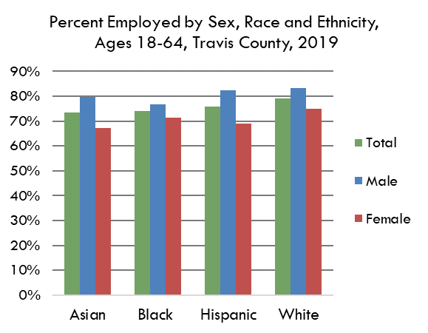
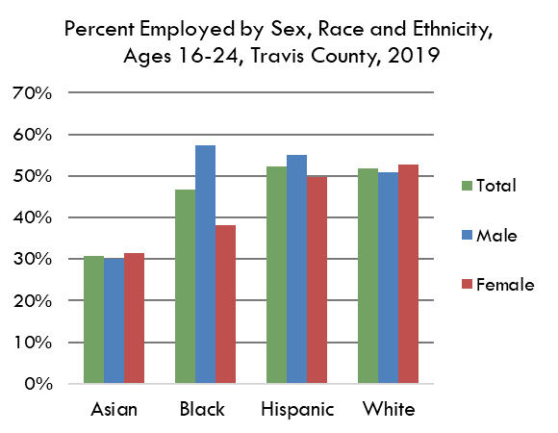
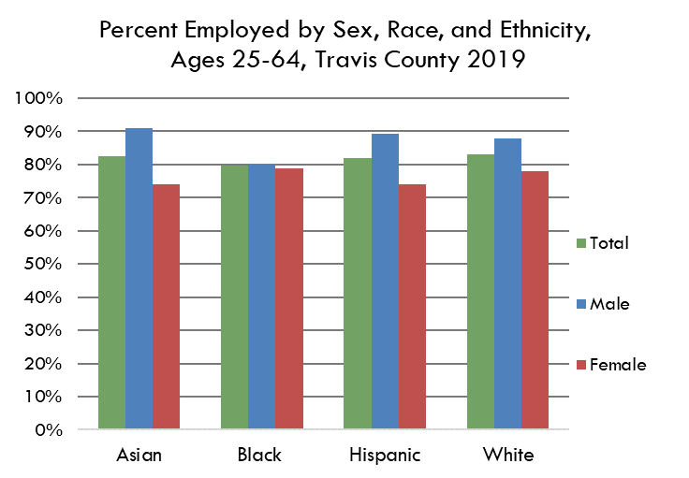

 | Source(s): Table B23001: SEX BY AGE BY EMPLOYMENT STATUS FOR THE POPULATION 16 YEARS AND OVER, American Community Survey 1-Year Estimates

 | https://data.census.gov/table?q=b23001&g=050XX00US48453
 | https://data.census.gov/table?q=b23002b&g=050XX00US48453
 | https://data.census.gov/table?q=b23002d&g=050XX00US48453
 | https://data.census.gov/table?q=b23002H&g=050XX00US48453
 | https://data.census.gov/table?q=b23002I&g=050XX00US48453

