Main Graph
Unemployment by Education Attainment, Travis County, 2019-2023
Unemployment Rates

 |  | 2023
 | Less than a High School Diploma | 5.6%
 | High School Graduate | 6.2%
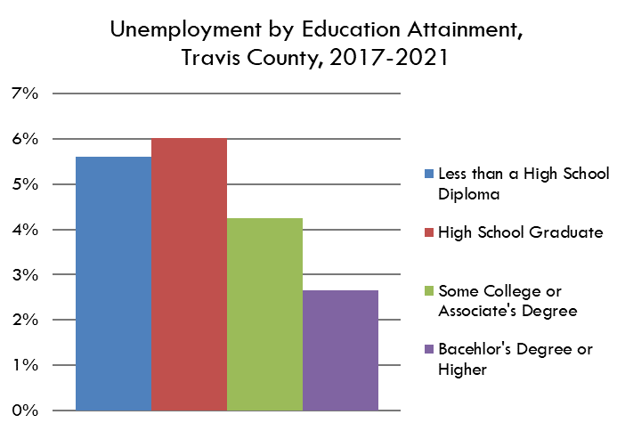
 | Some College or Associate's Degree | 5.0%
 | Bacehlor's Degree or Higher | 2.7%

unemployment rate (unemployed as a percent of the civilian workforce) by educational attainment

Data Source: | Table B23006: Educational Attainment by Employment Status for the Population 25 to 64 Years, American Community Survey 5-Year Estimates
 | https://data.census.gov/cedsci/table?q=b23006&g=0500000US48453

