Sheet1
% Unemployed by Disability Status

 |  |  | 2009 | 2010 | 2011 | 2012 | 2013 | 2014 | 2015 | 2016 | 2017 | 2018 | 2019 | 2020* | 2021 | 2022 | 2023

 | Travis County | With a Disability | 17.4% | 15.9% | 14.5% | 16.0% | 16.2% | 11.9% | 10.3% | 6.8% | 4.7% | 8.8% | 11.8% |  | 8.5% | 7.6% | 13.4% |  | With a Disability | No Disability
 |  | No Disability | 7.0% | 7.8% | 7.8% | 6.4% | 5.4% | 4.0% | 3.9% | 3.7% | 3.2% | 3.4% | 2.8% |  | 4.8% | 2.6% | 3.4% | Travis County | 13.37% | 3.41%
 |  |  |  |  |  |  |  |  |  |  |  |  |  |  |  |  |  | Austin MSA | 10.69% | 3.37%
 | Austin MSA | With a Disability | 15.4% | 16.8% | 16.9% | 15.0% | 13.8% | 12.0% | 11.0% | 9.8% | 6.1% | 10.4% | 12.1% |  | 8.1% | 6.8% | 10.7% | Texas | 9.07% | 3.98%
 |  | No Disability | 7.4% | 7.7% | 7.7% | 6.5% | 5.7% | 4.3% | 4.0% | 4.0% | 3.4% | 3.9% | 3.2% |  | 4.7% | 2.6% | 3.4% | USA | 9.30% | 3.89%

 | Texas | With a Disability | 14.3% | 15.9% | 16.7% | 15.5% | 14.4% | 12.8% | 11.7% | 11.7% | 10.6% | 10.2% | 9.3% |  | 11.7% | 8.6% | 9.1%
 |  | No Disability | 7.6% | 8.2% | 7.8% | 7.3% | 6.5% | 5.5% | 5.1% | 5.1% | 4.7% | 4.5% | 4.0% |  | 5.8% | 4.0% | 4.0%

Percent of the Labor Force that is Unemployed, by Disability Status, 2023
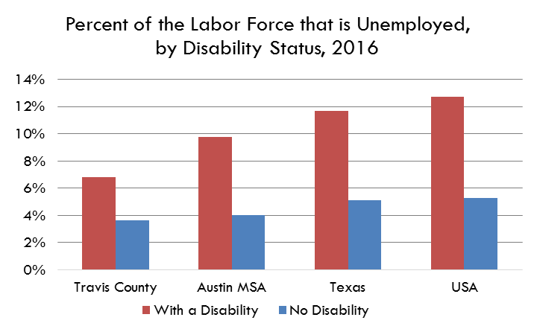
 | USA | With a Disability | 18.0% | 20.2% | 20.1% | 18.62% | 17.3% | 15.4% | 13.9% | 12.7% | 11.9% | 11.2% | 10.4% |  | 13.2% | 9.3% | 9.3%
 |  | No Disability | 9.2% | 10.1% | 9.5% | 8.68% | 7.8% | 6.7% | 5.8% | 5.3% | 4.8% | 4.5% | 4.1% |  | 5.8% | 3.9% | 3.9%
All civilians 16 years old and over are classified as unemployed if they (1) were neither "at work" nor "with a job but not at work" during the reference week, and (2) were actively looking for work during the last 4 weeks, and (3) were available to accept a job. Also included as unemployed are civilians who did not work at all during the reference week, were waiting to be called back to a job from which they had been laid off, and were available for work except for temporary illness.

Data Source
American Community Survey, 1 Year Estimates - Detailed Tables
B18120 - Employment Status by Disability Status and Type
* The US Census Bureau did not release 2020 ACS 1-Year Data. Without the population data from the ACS, some rates were not possible to calculate for 2020.

https://data.census.gov/cedsci/table?q=b18120&g=0500000US48453

Sheet3
 | With a Disability | No Disability
Travis County | 6.8% | 3.7%
Austin MSA | 9.8% | 4.0%
Texas | 11.7% | 5.1%
USA | 12.7% | 5.3%

Percent of the Labor Force that is Unemployed, by Disability Status, 2016

