Smoking
Percent of Adults Who Are Current Smokers
Year | USA | USA - Lower Estimate | USA - Upper Estimate | MOE_Lower | MOE_Upper
2011 | 21.2%
2012 | 19.6%
2013 | 18.2% | 18% | 19% | 0% | 0%
2014 | 18.1%
2015 | 17.5%
2016 | 17.1%
2017 | 17.1%
2018 | 16.1%
2019 | 16.0%
2020 | 15.5%
2021 | 14.4%
2022 | 13.5%
2023 | 12.1%

Percent of Adults Who Are Current Smokers, Travis County
Year | Texas | Texas - Lower Estimate | Texas - Upper Estimate
2007 | 19.3% | 18% | 20% | 1% | 1%
2008 | 18.5% | 17% | 20% | 1% | 1%
2009 | 17.9% | 17% | 19% | 1% | 2%
2010 | 15.8% | 15% | 17% | 1% | 1%
2011 | 19.2% | 18% | 20% | 1% | 1%
2012 | 18.2% | 17% | 19% | 1% | 1%
2013 | 15.9% | 15% | 17% | 1% | 1%
2014 | 14.5% | 14% | 16% | 1% | 1%
2015 | 15.2% | 14% | 16% | 1% | 1%
2016 | 14.3% | 13% | 16% | 1% | 1%
2017 | 15.7% | 14% | 17% | 1% | 1%
2018 | 14.4% | 13% | 16% | 1% | 2%
2019 | 14.7% | 13% | 16% | 1% | 1%
2020 | 13.2% | 12% | 15% | 1% | 1%
2021 | 13.1% | 12% | 14% | 1% | 1%
2022 | 11.8% | 11% | 13% | 1% | 1%
2023 | 11.3% | 10% | 13% | 1% | 1%

Extended Trend

Year | Austin MSA | MSA - Lower Estimate | MSA - Upper Estimate
2007 | 17.2% | 15% | 20% | 3% | 3%
2008 | 19.6% | 15% | 25% | 4% | 5%
2009 | 13.4% | 10% | 17% | 3% | 4%
2010 | 9.7% | 6% | 16% | 4% | 6%
2011 | 16.0% | 12% | 20% | 4% | 4%
2012 | 14.0% | 11% | 18% | 3% | 4%
2013 | 15.0% | 12% | 19% | 3% | 4%
2014 | 11.1% | 9% | 13% | 2% | 2%
2015 | 14.0% | 11% | 17% | 3% | 3%
2016 | 14.4% | 12% | 18% | 3% | 3%
2017 | 12.5% | 10% | 16% | 3% | 3%
2018 | 10.8% | 9% | 13% | 2% | 3%
2019 | 11.1% | 9% | 14% | 2% | 2%
2020 | 11.0% | 9% | 13% | 2% | 2%
Smoking Rate, 2011-2023
2021 | 7.5% | 6% | 9% | 1% | 2%
2022 | 8.6% | 7% | 11% | 2% | 3%
2023 | 7.6% | 5.8% | 9.9% | 2% | 2%

Year | Travis County | Travis County - Lower Estimate | Travis County - Upper Estimate

2008
2009
2010
2011 | 16% | 12% | 21% | 4% | 5%
2012 | 15% | 11% | 19% | 4% | 5%
2013 | 12% | 8% | 16% | 3% | 4%
2014 | 11% | 8% | 14% | 2% | 3% | -40%
2015 | 14% | 11% | 18% | 3% | 4%
2016 | 14% | 11% | 18% | 3% | 4%
2017 | 11% | 8% | 15% | 3% | 4%
2018 | 12% | 9% | 16% | 3% | 4%
2019 | 12% | 9% | 16% | 3% | 4%
2020 | 12% | 9% | 15% | 3% | 3%
2021 | 6.8% | 5% | 9% | 2% | 2%
2022 | 7.3% | 5.2% | 10.2% | 2.1% | 2.9%
2023 | 7.3% | 5.2% | 10.1% | 2.1% | 2.9%
2024
2025
2026
2027
2028
2029
2030

 | USA | Texas | Austin MSA | Travis County
2011 | 21% | 19% | 16% | 16%
2012 | 20% | 18% | 14% | 15%
2013 | 18% | 16% | 15% | 12%
2014 | 18% | 15% | 11% | 11%
2015 | 18% | 15% | 14% | 14%
2016 | 17% | 14% | 14% | 14%
2017 | 17% | 16% | 13% | 11%
2018 | 16% | 14% | 11% | 11.70%
2019 | 16% | 15% | 11% | 12.20%
2020 | 16% | 13% | 11% | 11.90%
2021 | 14% | 13% | 8% | 6.80%
Percent of Adults Who are Current Smokers
2022 | 14% | 12% | 9% | 7.35%
2023 | 12% | 11% | 8% | 7.27%
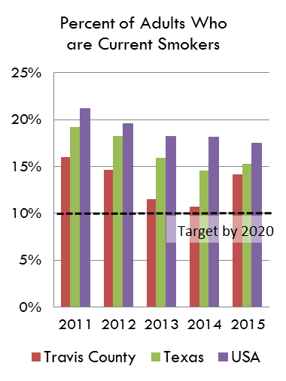
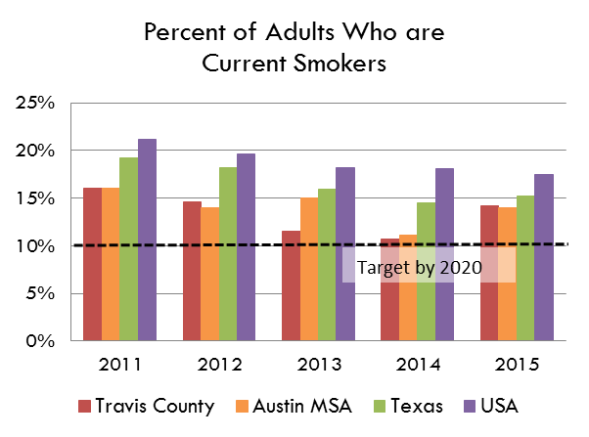
2024

Source: Behavioral Risk Factor Surveillance System, Texas Department of State Health Services
https://healthdata.dshs.texas.gov/dashboard/surveys-and-profiles/behavioral-risk-factor-surveillance-system

https://www.cdc.gov/brfss/brfssprevalence/index.html

Percent of Adults Who are Current Smokers

