Sheet1
Smoking by Sex
 | 2016 | 2017 | 2018 | 2019 | 2020 | 2021 | 2022 | 2023
Female | 11.3% | 8.7% | 8.7% | 11.9% | 6.5% | 6.9% | 7.2% | 6.4%
Male | 17.3% | 13.4% | 15.2% | 12.5% | 17.1% | 6.7% | 7.5% | 8.3%

Source: Texas Behavioral Risk Factor Surveillance System
https://healthdata.dshs.texas.gov/dashboard/surveys-and-profiles/behavioral-risk-factor-surveillance-system
* The Texas Department of State Health Services does not display percentages and confidence intervals for sample sizes of less than 50 or for responses with a relative standard error (RSE) of over 30%. Estimates with a high RSE can be unreliable and should be used with caution.

Smoking by Sex, Travis County, 2020
Smoking by Sex, Travis County
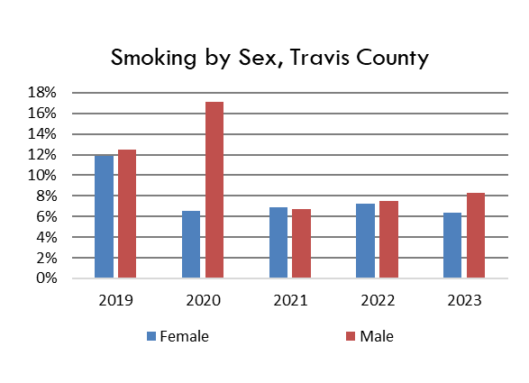

Smoking by Sex, Travis County

