Sheet1
Four-Year Graduation Rates

Four Year Graduation Rate, Without Exclusions
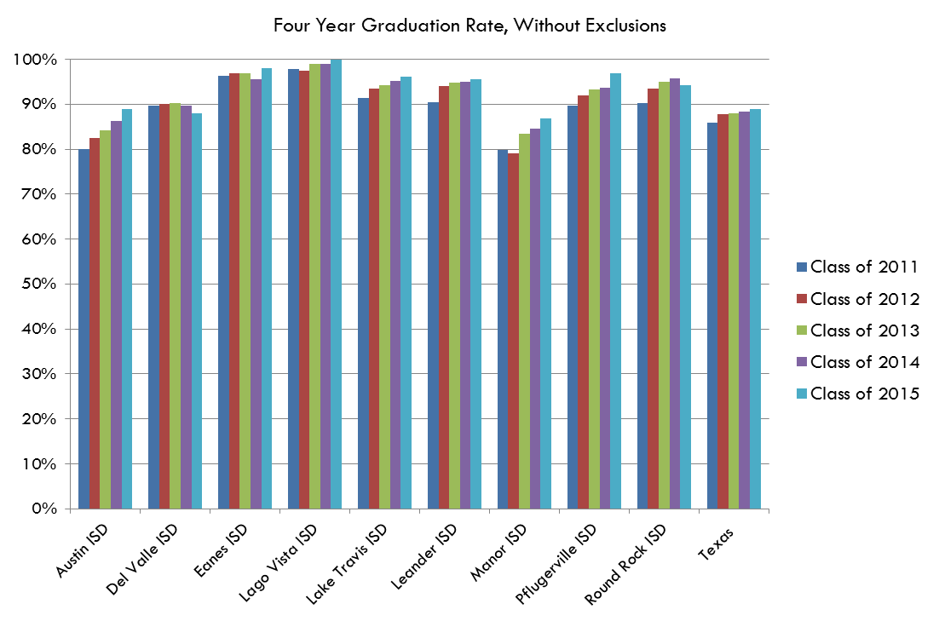
 |  | Class of 2017 | Class of 2018 | Class of 2019 | Class of 2020 | Class of 2021 | Class of 2022 | Class of 2023 | Class of 2024 | Class of 2025 | % improvement | % point change 2008 to 2016
 | Austin ISD | 93.3% | 94.0% | 94.5% | 94.4% | 96.3% | 95.6% | 93.1% |  |  | 1.7% | 16%
 | Del Valle ISD | 91.8% | 92.4% | 94.9% | 92.2% | 94.4% | 92.9% | 92.8% |  |  | 0.5% | 9%
 | Eanes ISD | 98.9% | 99.2% | 99.8% | 99.6% | 99.4% | 99.0% | 97.8% |  |  | -0.2% | 2%
 | Lago Vista ISD | 95.4% | 100.0% | 98.9% | 97.0% | 95.2% | 97.3% | 95.4% |  |  | -2.7% | 1%
 | Lake Travis ISD | 96.1% | 94.9% | 95.4% | 97.7% | 94.6% | 96.7% | 97.7% |  |  | 1.9% | 3%
 | Leander ISD | 96.9% | 98.8% | 98.9% | 98.6% | 97.5% | 98.3% | 97.8% |  |  | -0.5% | 13%
 | Manor ISD | 88.7% | 87.0% | 87.0% | 87.7% | 92.3% | 86.6% | 89.0% |  |  | -0.5% | 24%
 | Pflugerville ISD | 97.8% | 97.4% | 97.9% | 96.9% | 96.0% | 93.3% | 92.6% |  |  | -4.2% | 15%
 | Round Rock ISD | 96.1% | 96.2% | 96.7% | 96.2% | 95.9% | 96.6% | 97.2% |  |  | 0.4% | 10%
 | Texas | 89.7% | 90.0% | 90.0% | 90.3% | 90.0% | 89.7% | 90.3% |  |  | -0.3% | 10%

Four year completion rate for grades 9-12. This data only includes students who graduated from high school in four years. It does not include students who received their GEDs. This data is not directly comparable to graduation rate data produced for prior graduation classes due to changes in data definitions by the Texas Education Agency.

Data Source
 | Texas Education Agency - Academic Excellence Indicator System - District Performance - Student Success Indicators - 4 Year Completion Rate without exclusions (Gr. 9-12)

