Travis County Ed. Attainment
Travis County
 |  | 2008 | MOE | 2009 | MOE | MOE | 2013 | MOE | 2014 | MOE | 2015 | MOE | 2016 | MOE | 2017 | MOE | 2018 | MOE | 2019 | MOE | 2020* | MOE | 2021 | MOE | 2022 | MOE | 2023 | MOE | Percent | Percent MOE
 | Total Population 25 and Over | 629838 | 522 | 676718 | 335 | 361 | 741747 | 410 | 770,506 | 586 | 795105 | 465 | 816263 | 651 | 842298 | 312 | 863717 | 436 | 888630 | 729 |  |  | 919,819 | 468 | 938,274 | 501 | 952,169 | 403
 | Some High School |  |  |  |  |  |  |  |  |  | 92636 | 6000 | 91350 | 6543 | 81420 | 6158 | 92521 | 7067 | 90249 | 6761 |  |  | 69,163 | 8,401 | 76,635 | 7,497 | 68,386 | 6,835 | 7.2% | 0.8
 | High School or GED |  |  |  |  |  |  |  |  |  | 138023 | 6388 | 136023 | 6765 | 152636 | 8622 | 138749 | 7750 | 140186 | 8314 |  |  | 146,561 | 10,126 | 126,316 | 7,887 | 126,787 | 7,286 | 13.3% | 0.8
 | Some College | 125384 | 5895 | 130807 | 5680 | 6249 | 143,867 | 6,974 | 154,380 | 6902 | 141407 | 5829 | 159615 | 7721 | 141953 | 7203 | 140102 | 6813 | 139900 | 7956 |  |  | 135,213 | 10,677 | 147,245 | 8,497 | 142,786 | 8,127 | 15.0% | 0.9
 | Associate's Degree | 39272 | 3407 | 35627 | 3126 | 3826 | 39,754 | 3,451 | 42,124 | 3692 | 47314 | 3561 | 43958 | 3452 | 49744 | 4877 | 44094 | 4067 | 50924 | 5014 |  |  | 56,546 | 5,581 | 53,388 | 5,570 | 55,101 | 5,261 | 5.8% | 0.4
 | Bachelor's Degree | 167337 | 6565 | 189605 | 6975 | 8045 | 218,168 | 7,421 | 217,714 | 6307 | 243554 | 7151 | 247133 | 7783 | 266510 | 7559 | 279263 | 8501 | 289692 | 9396 |  |  | 323,612 | 12,757 | 329,953 | 12,134 | 351,150 | 10,221 | 36.9% | 1.0
 | Graduate or Professional Degree | 103586 | 4923 | 104578 | 4710 | 5794 | 122,481 | 6,113 | 133,827 | 5916 | 131371 | 6195 | 138184 | 6138 | 150035 | 5751 | 168988 | 7478 | 177679 | 8297 |  |  | 188,724 | 9,369 | 204,737 | 10,179 | 207,959 | 8,572 | 21.8% | 0.8

 | Associate's, Bachelor's or Graduate | 0.49249965864 |  | 0.48736696822 |  |  | 0.51284737249 |  | 0.51091750097 |  | 0.53104810057 |  | 0.52590280339 |  | 0.55359148425 |  | 0.57003046137 |  | 0.58325174707 |  |  |  | 0.61847167758
Source: U.S. Census Bureau, American Community Survey, 1-year estimates, Table DP02: Selected Social Characteristics
 | https://data.census.gov/cedsci/table?q=dp02&g=0500000US48453&tid=ACSDP1Y2019.DP02&hidePreview=true

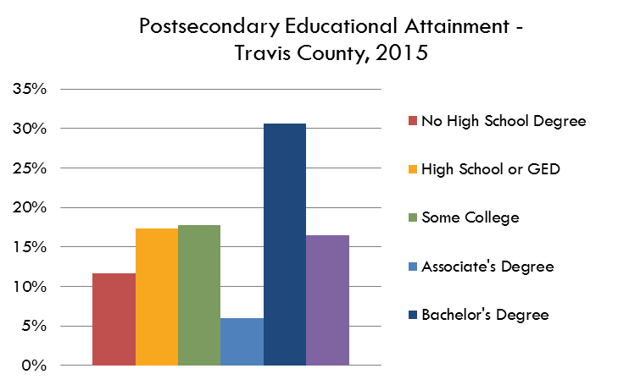
Travis County Educational Attainment
Postsecondary Educational Attainment - Travis County, 2023
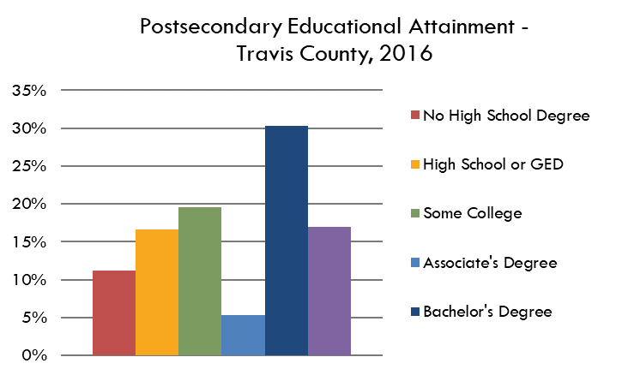
 |  | Percent | MOE
 | Some High School | 7.2% | 0.80%
 | High School or GED | 13.3% | 0.83%
 | Some College | 15.0% | 0.95%
 | Associate's Degree | 5.8% | 0.42%
 | Bachelor's Degree | 36.9% | 0.95%
 | Graduate or Professional Degree | 21.8% | 0.75%

 |  | 100%

 | Associate's, Bachelor's or Graduate | 64.5%

 | Over Time

 |  | 2008 | 2009 | 2010 | 2011 | 2012 | 2013 | 2014 | 2015 | 2016 | 2017 | 2018 | 2019 | 2020* | 2021 | 2022 | 2023

 | Some High School |  |  |  |  |  |  |  | 12% | 11% | 10% | 11% | 10% |  | 8% | 8% | 7%
 | High School or GED |  |  |  |  |  |  |  | 17% | 17% | 18% | 16% | 16% |  | 16% | 13% | 13%
 | Some College |  |  |  |  |  |  |  | 18% | 20% | 17% | 16% | 16% |  | 15% | 16% | 15%
 | Associate's Degree |  |  |  |  |  |  |  | 6% | 5% | 6% | 5% | 6% |  | 6% | 6% | 6%
 | Bachelor's Degree |  |  |  |  |  |  |  | 31% | 30% | 32% | 32% | 33% |  | 35% | 35% | 37%
 | Graduate or Professional Degree |  |  |  |  |  |  |  | 17% | 17% | 18% | 20% | 20% |  | 21% | 22% | 22%
 |  |  |  |  |  |  |  |  |  |  |  |  |  |  |  |  | 0%

Postsecondary Attainment, Travis County
 | Some High School | High School or GED | Some College | Associate's Degree | Bachelor's Degree | Graduate or Professional Degree
2015 | 0.11650788261 | 0.17359090938 | 0.17784695103 | 0.059506606046 | 0.30631677577 | 0.16522471875
2016 | 0.11191245959 | 0.16664114385 | 0.19554359318 | 0.05385274109 | 0.30276148741 | 0.16928857488
2017 | 0.096664125998 | 0.1812137747 | 0.16853061506 | 0.059057483219 | 0.31640820707 | 0.17812579396
2018 | 0.10711957736 | 0.16064173798 | 0.1622082233 | 0.051051443934 | 0.32332696937 | 0.19565204807
2019 | 0.10155970426 | 0.1577551962 | 0.15743335246 | 0.057306190428 | 0.32599844705 | 0.1999471096
2020*
2021 | 0.075191967115 | 0.15933678256 | 0.14699957274 | 0.061475138043 | 0.35182139095 | 0.20517514859
2022 | 0.081676567826 | 0.13462591951 | 0.15693177046 | 0.056900223176 | 0.35165953655 | 0.21820598247
2023 | 0.071821283827 | 0.13315598386 | 0.1499586733 | 0.05786892873 | 0.36878957412 | 0.21840555616

